Chart 8.1
Back to Contents Page

 | Chart 8.1: Covid-19 mortality rates were much higher in more deprived areas than less deprived areas

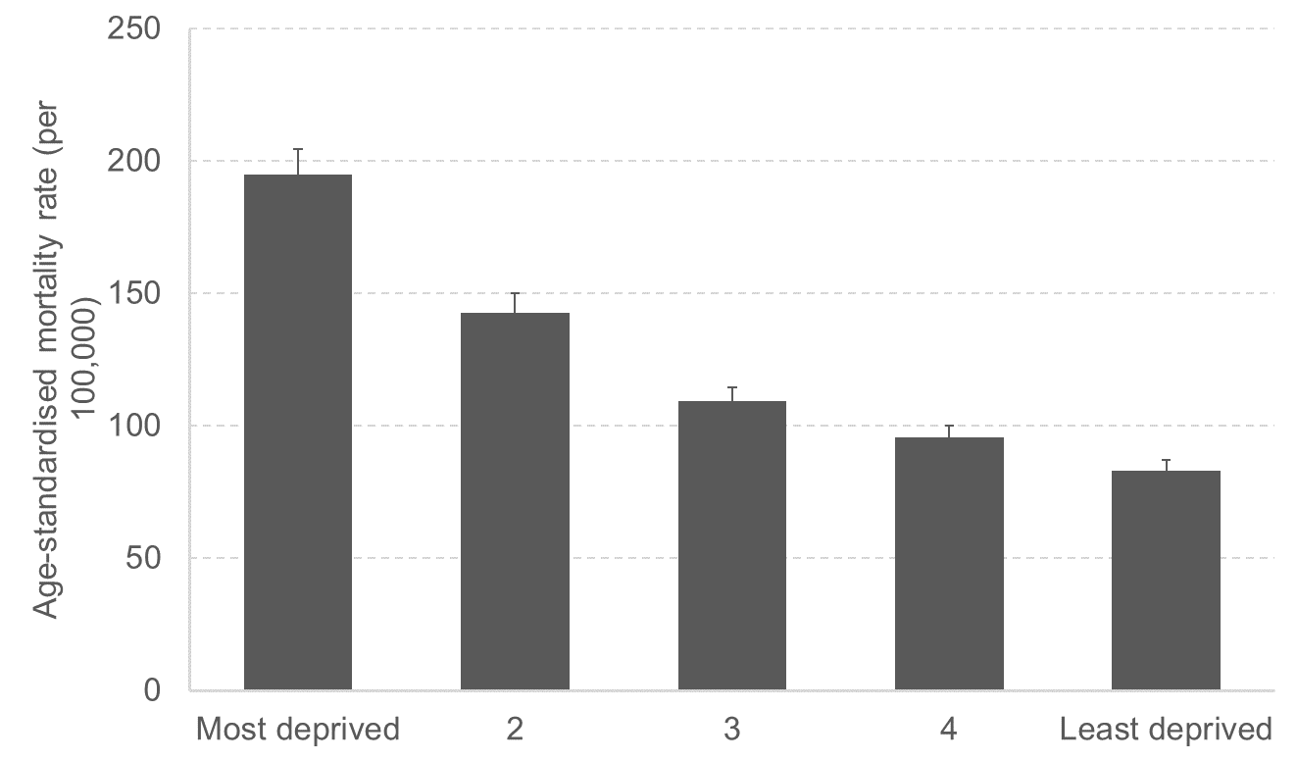

 | Source: National Records of Scotland, deaths involving Covid-19.
 | Notes: Error bars show 95% confidence intervals

 | Covid-19 Mortality Rates by Deprivation Quintile
 |  | Age-Standardised Rate of Mortality (ASMR)
 | Most deprived | 194.77491884
 | 2 | 142.77262736
 | 3 | 109.13934076
 | 4 | 95.402006797
 | Least deprived | 83.021965181

Chart 8.2
Back to Contents Page

 | Chart 8.2: The post-pandemic labour market looks similar to the pre-pandemic labour market for most groups

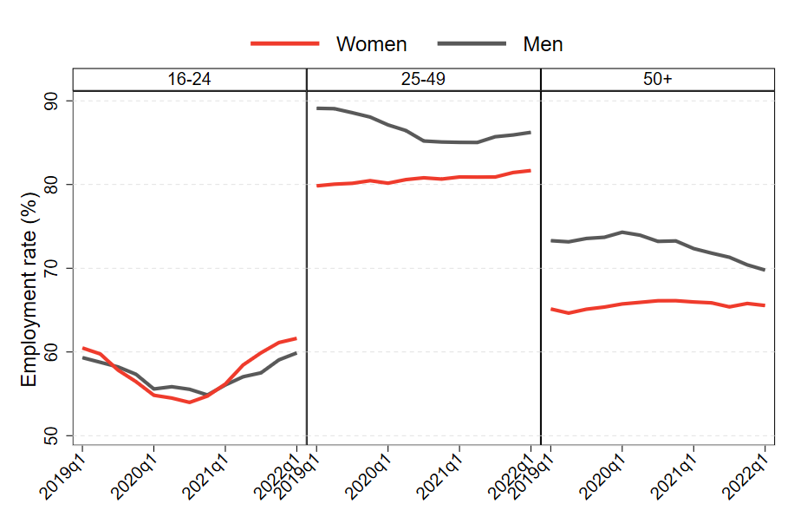

 | Source: FAI calculations from quarterly LFS data
 | Notes: All figures are smoothed using an annual moving average to account for seasonality.

 | Employment rate by gender, age, and quarter
 | Quarter | Employment rate (%)
 |  | Female |  |  | Male
 |  | 16-24 | 25-49 | 50+ | 16-24 | 25-49 | 50+
 | 2019Q1 | 59.60% | 80.30% | 64.50% | 59.00% | 88.80% | 72.20%
 | 2019Q2 | 60.40% | 80.90% | 65.70% | 58.80% | 88.90% | 73.50%
 | 2019Q3 | 55.40% | 79.30% | 64.70% | 57.80% | 88.80% | 74.30%
 | 2019Q4 | 55.90% | 80.10% | 65.50% | 57.30% | 87.80% | 74.20%
 | 2020Q1 | 54.10% | 81.60% | 65.50% | 55.50% | 86.70% | 72.80%
 | 2020Q2 | 53.90% | 79.70% | 67.10% | 51.80% | 85.20% | 75.90%
 | 2020Q3 | 54.10% | 81.00% | 65.50% | 58.80% | 86.10% | 72.80%
 | 2020Q4 | 53.80% | 80.90% | 66.30% | 56.10% | 82.80% | 71.30%
 | 2021Q1 | 57.10% | 81.00% | 65.60% | 52.80% | 86.30% | 73.00%
 | 2021Q2 | 59.60% | 80.70% | 66.50% | 56.60% | 85.00% | 72.30%
 | 2021Q3 | 63.20% | 80.90% | 65.10% | 62.80% | 86.00% | 70.60%
 | 2021Q4 | 59.60% | 81.00% | 64.40% | 57.90% | 85.60% | 69.30%
 | 2022Q1 | 62.00% | 83.10% | 67.20% | 59.00% | 87.10% | 69.40%

Chart 8.3
Back to Contents Page

 | Chart 8.3: UK and Scottish working age inactivity rate, Q1 2010 – Q2 2022

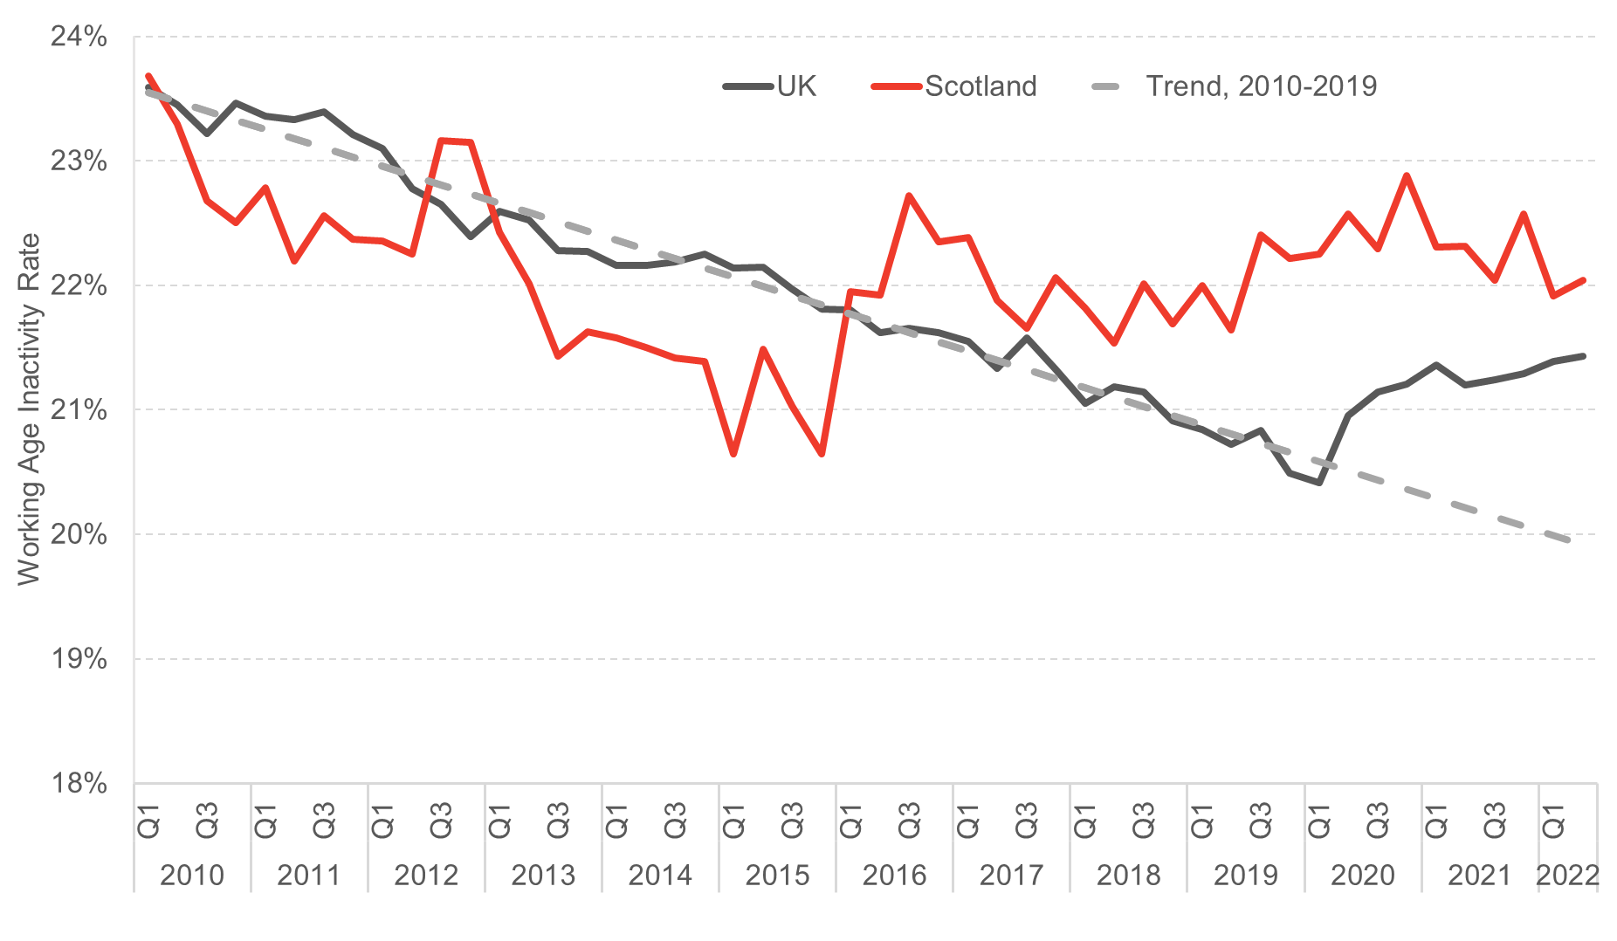

 | Source: FAI analysis of quarterly labour force survey

 | Economic Inactity Rate in UK and Scotland
 |  |  | UK | Scotland
 | 2010 | Q1 | 24% | 24%
 |  | Q2 | 23% | 23%
 |  | Q3 | 23% | 23%
 |  | Q4 | 23% | 23%
 | 2011 | Q1 | 23% | 23%
 |  | Q2 | 23% | 22%
 |  | Q3 | 23% | 23%
 |  | Q4 | 23% | 22%
 | 2012 | Q1 | 23% | 22%
 |  | Q2 | 23% | 22%
 |  | Q3 | 23% | 23%
 |  | Q4 | 22% | 23%
 | 2013 | Q1 | 23% | 22%
 |  | Q2 | 23% | 22%
 |  | Q3 | 22% | 21%
 |  | Q4 | 22% | 22%
 | 2014 | Q1 | 22% | 22%
 |  | Q2 | 22% | 22%
 |  | Q3 | 22% | 21%
 |  | Q4 | 22% | 21%
 | 2015 | Q1 | 22% | 21%
 |  | Q2 | 22% | 21%
 |  | Q3 | 22% | 21%
 |  | Q4 | 22% | 21%
 | 2016 | Q1 | 22% | 22%
 |  | Q2 | 22% | 22%
 |  | Q3 | 22% | 23%
 |  | Q4 | 22% | 22%
 | 2017 | Q1 | 22% | 22%
 |  | Q2 | 21% | 22%
 |  | Q3 | 22% | 22%
 |  | Q4 | 21% | 22%
 | 2018 | Q1 | 21% | 22%
 |  | Q2 | 21% | 22%
 |  | Q3 | 21% | 22%
 |  | Q4 | 21% | 22%
 | 2019 | Q1 | 21% | 22%
 |  | Q2 | 21% | 22%
 |  | Q3 | 21% | 22%
 |  | Q4 | 20% | 22%
 | 2020 | Q1 | 20% | 22%
 |  | Q2 | 21% | 23%
 |  | Q3 | 21% | 22%
 |  | Q4 | 21% | 23%
 | 2021 | Q1 | 21% | 22%
 |  | Q2 | 21% | 22%
 |  | Q3 | 21% | 22%
 |  | Q4 | 21% | 23%
 | 2022 | Q1 | 21% | 22%
 |  | Q2 | 21% | 22%

Chart 8.4
Back to Contents Page

 | Chart 8.4: There is a growing backlog of diagnostic tests, and more people are waiting longer for those tests

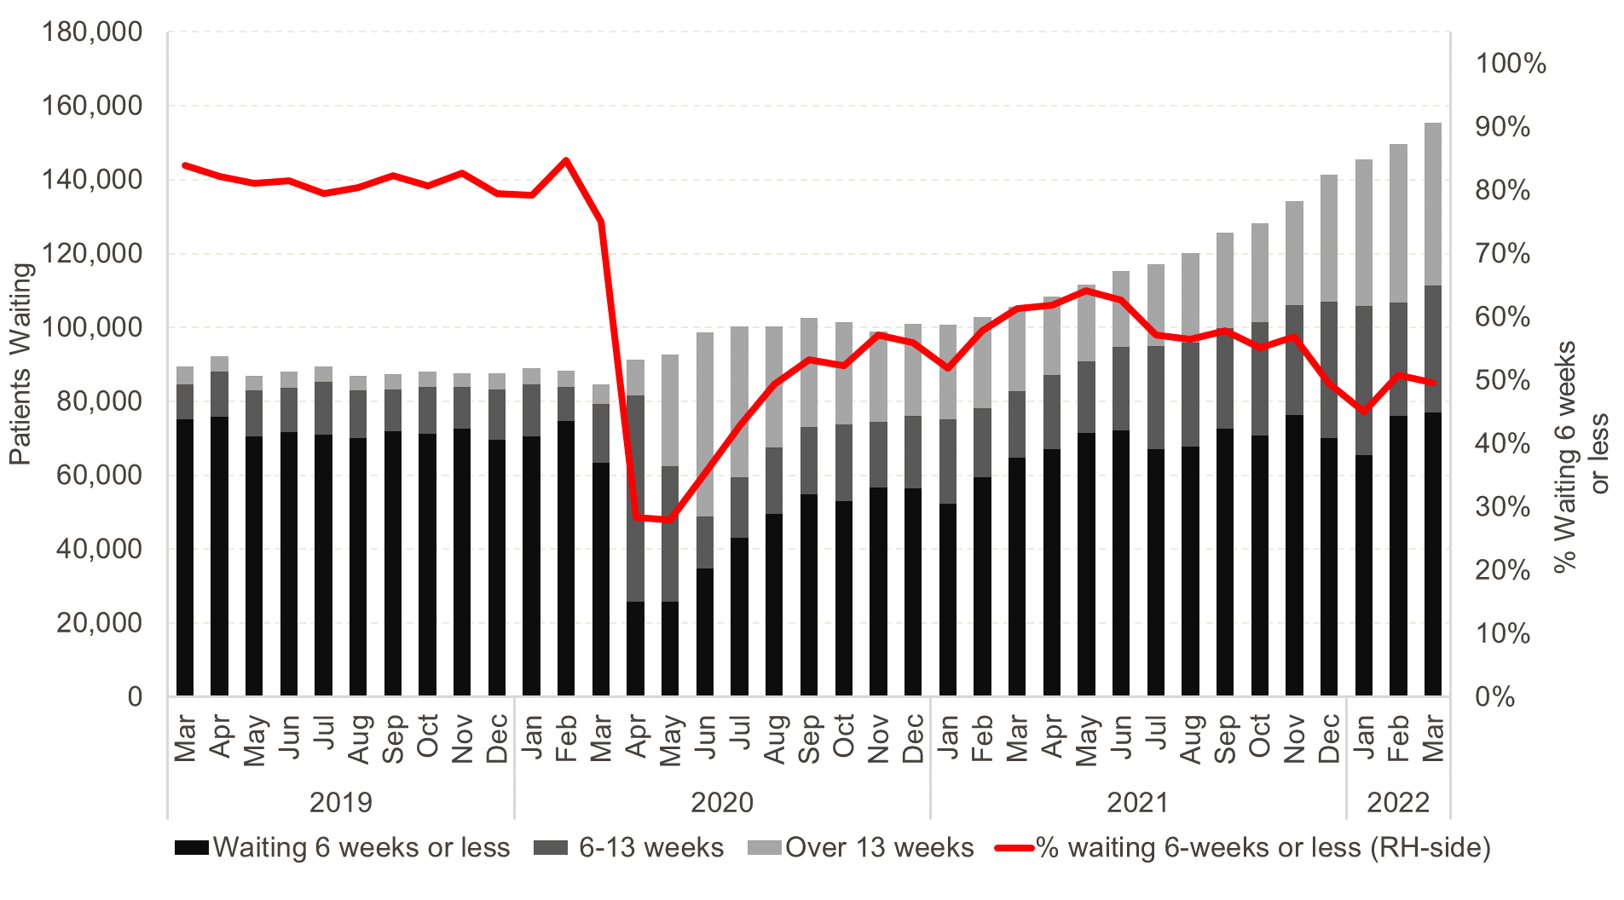

 | Source: Public Health Scotland.
 | Notes: The eight key tests and investigations are upper endoscopy, lower endoscopy (excl. colonoscopy), colonoscopy, cystoscopy, CT scan, MRI scan, barium studies and non-obstetric ultrasound.

 | Number of People Waiting for 8 Key Diagnostic Tests & Investigations
 |  | Number on List | 6-13 Weeks | Over 13 Weeks | % Waiting 6 weeks or less
 | 2019-03-31 | 89431 | 14330 | 4828 | 84%
 | 2019-04-30 | 92239 | 16446 | 4124 | 82%
 | 2019-05-31 | 86868 | 16392 | 3870 | 81%
 | 2019-06-30 | 88012 | 16212 | 4356 | 82%
 | 2019-07-31 | 89384 | 18332 | 4007 | 79%
 | 2019-08-31 | 87022 | 17022 | 4132 | 80%
 | 2019-09-30 | 87424 | 15509 | 4174 | 82%
 | 2019-10-31 | 88119 | 16959 | 4143 | 81%
 | 2019-11-30 | 87663 | 15101 | 3813 | 83%
 | 2019-12-31 | 87543 | 17906 | 4266 | 80%
 | 2020-01-31 | 89044 | 18527 | 4347 | 79%
 | 2020-02-29 | 88301 | 13500 | 4493 | 85%
 | 2020-03-31 | 84556 | 21050 | 5240 | 75%
 | 2020-04-30 | 91208 | 65311 | 9529 | 28%
 | 2020-05-31 | 92595 | 66726 | 30161 | 28%
 | 2020-06-30 | 98568 | 63669 | 49738 | 35%
 | 2020-07-31 | 100301 | 57321 | 40909 | 43%
 | 2020-08-31 | 100312 | 50821 | 32744 | 49%
 | 2020-09-30 | 102716 | 47968 | 29701 | 53%
 | 2020-10-31 | 101434 | 48335 | 27757 | 52%
 | 2020-11-30 | 99019 | 42425 | 24449 | 57%
 | 2020-12-31 | 100913 | 44516 | 24730 | 56%
 | 2021-01-31 | 100661 | 48349 | 25546 | 52%
 | 2021-02-28 | 102908 | 43413 | 24711 | 58%
 | 2021-03-31 | 105653 | 40819 | 22987 | 61%
 | 2021-04-30 | 108420 | 41401 | 21319 | 62%
 | 2021-05-31 | 111619 | 40047 | 20697 | 64%
 | 2021-06-30 | 115253 | 43077 | 20596 | 63%
 | 2021-07-31 | 117245 | 50191 | 22220 | 57%
 | 2021-08-31 | 120041 | 52168 | 24110 | 57%
 | 2021-09-30 | 125557 | 53023 | 25613 | 58%
 | 2021-10-31 | 128168 | 57465 | 26747 | 55%
 | 2021-11-30 | 134245 | 57913 | 28187 | 57%
 | 2021-12-31 | 141262 | 71259 | 34261 | 50%
 | 2022-01-31 | 145489 | 79919 | 39665 | 45%
 | 2022-02-28 | 149664 | 73641 | 42924 | 51%
 | 2022-03-31 | 155405 | 78310 | 44088 | 50%

Chart 8.5
Back to Contents Page

 | Chart 8.5: A&E calls are much less likely to be answered within four hours than three years ago

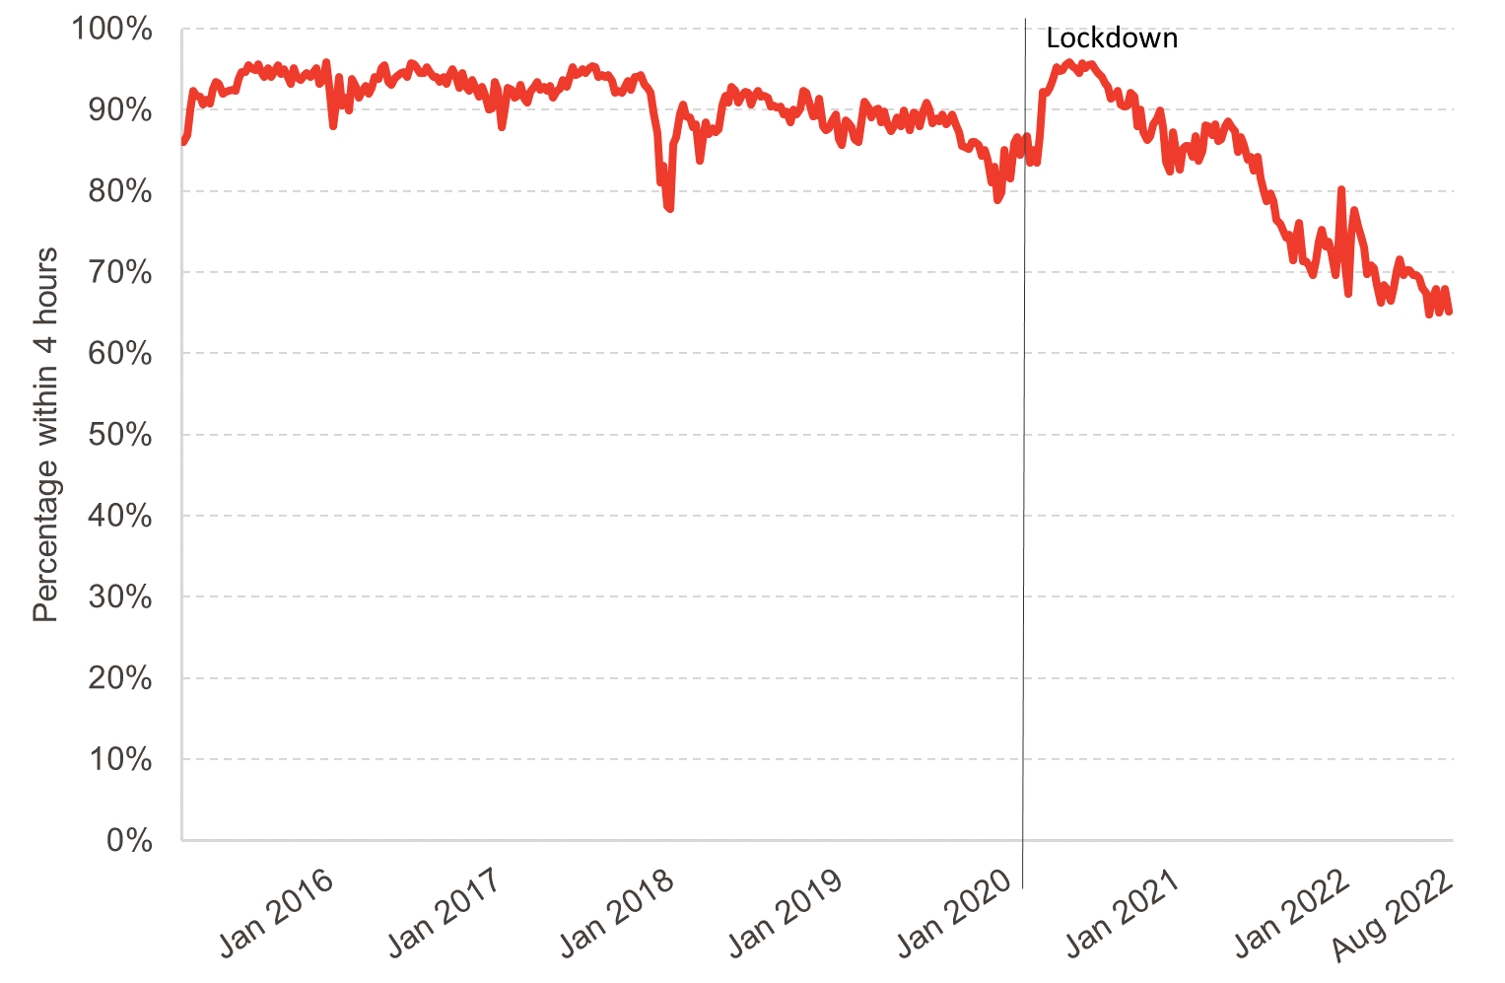

 | Source: Public Health Scotland, Emergency Department activity and waiting time statistics.

 | Percentage of A&E Call Answered within 4 Hours
 |  | Percentage of Calls Answered
 | 2015-02-22 | 86
 | 2015-03-01 | 86.9
 | 2015-03-08 | 90
 | 2015-03-15 | 92.4
 | 2015-03-22 | 91.7
 | 2015-03-29 | 91.6
 | 2015-04-05 | 90.6
 | 2015-04-12 | 91.3
 | 2015-04-19 | 90.8
 | 2015-04-26 | 92.6
 | 2015-05-03 | 93.5
 | 2015-05-10 | 93.2
 | 2015-05-17 | 92
 | 2015-05-24 | 92.2
 | 2015-05-31 | 92.4
 | 2015-06-07 | 92.5
 | 2015-06-14 | 92.3
 | 2015-06-21 | 93.8
 | 2015-06-28 | 94.7
 | 2015-07-05 | 94.7
 | 2015-07-12 | 95.5
 | 2015-07-19 | 95.2
 | 2015-07-26 | 94.9
 | 2015-08-02 | 95.6
 | 2015-08-09 | 94.7
 | 2015-08-16 | 94.1
 | 2015-08-23 | 95.2
 | 2015-08-30 | 94
 | 2015-09-06 | 94.7
 | 2015-09-13 | 95.5
 | 2015-09-20 | 94.4
 | 2015-09-27 | 95
 | 2015-10-04 | 94.1
 | 2015-10-11 | 93.2
 | 2015-10-18 | 95.1
 | 2015-10-25 | 94.1
 | 2015-11-01 | 93.7
 | 2015-11-08 | 94.2
 | 2015-11-15 | 94.5
 | 2015-11-22 | 94.1
 | 2015-11-29 | 94.7
 | 2015-12-06 | 95.2
 | 2015-12-13 | 93.2
 | 2015-12-20 | 93.7
 | 2015-12-27 | 95.9
 | 2016-01-03 | 92.9
 | 2016-01-10 | 88
 | 2016-01-17 | 90.9
 | 2016-01-24 | 94
 | 2016-01-31 | 90.5
 | 2016-02-07 | 91.5
 | 2016-02-14 | 89.9
 | 2016-02-21 | 93.8
 | 2016-02-28 | 92.8
 | 2016-03-06 | 91.5
 | 2016-03-13 | 92.2
 | 2016-03-20 | 93
 | 2016-03-27 | 92
 | 2016-04-03 | 92.7
 | 2016-04-10 | 94.1
 | 2016-04-17 | 93.8
 | 2016-04-24 | 95.1
 | 2016-05-01 | 95.5
 | 2016-05-08 | 93.5
 | 2016-05-15 | 93.1
 | 2016-05-22 | 93.8
 | 2016-05-29 | 94.2
 | 2016-06-05 | 94.5
 | 2016-06-12 | 94.7
 | 2016-06-19 | 94
 | 2016-06-26 | 95.8
 | 2016-07-03 | 95.6
 | 2016-07-10 | 95.1
 | 2016-07-17 | 94.6
 | 2016-07-24 | 94.5
 | 2016-07-31 | 95.3
 | 2016-08-07 | 94.7
 | 2016-08-14 | 94.1
 | 2016-08-21 | 94
 | 2016-08-28 | 93.4
 | 2016-09-04 | 94.1
 | 2016-09-11 | 93.2
 | 2016-09-18 | 94.3
 | 2016-09-25 | 95
 | 2016-10-02 | 93.9
 | 2016-10-09 | 92.7
 | 2016-10-16 | 94.5
 | 2016-10-23 | 92.8
 | 2016-10-30 | 92.4
 | 2016-11-06 | 93.7
 | 2016-11-13 | 92.9
 | 2016-11-20 | 91.6
 | 2016-11-27 | 92.8
 | 2016-12-04 | 91.9
 | 2016-12-11 | 90
 | 2016-12-18 | 90.2
 | 2016-12-25 | 93.5
 | 2017-01-01 | 92.5
 | 2017-01-08 | 87.9
 | 2017-01-15 | 90
 | 2017-01-22 | 92.7
 | 2017-01-29 | 92.5
 | 2017-02-05 | 91.5
 | 2017-02-12 | 91.7
 | 2017-02-19 | 93.1
 | 2017-02-26 | 91.4
 | 2017-03-05 | 90.9
 | 2017-03-12 | 92.2
 | 2017-03-19 | 92.9
 | 2017-03-26 | 93.5
 | 2017-04-02 | 92.5
 | 2017-04-09 | 92.8
 | 2017-04-16 | 92.4
 | 2017-04-23 | 93
 | 2017-04-30 | 91.5
 | 2017-05-07 | 92.4
 | 2017-05-14 | 92.6
 | 2017-05-21 | 93.7
 | 2017-05-28 | 92.8
 | 2017-06-04 | 94.1
 | 2017-06-11 | 95.3
 | 2017-06-18 | 94.3
 | 2017-06-25 | 94.5
 | 2017-07-02 | 95
 | 2017-07-09 | 94.5
 | 2017-07-16 | 95.2
 | 2017-07-23 | 95.4
 | 2017-07-30 | 95.3
 | 2017-08-06 | 94.1
 | 2017-08-13 | 94.3
 | 2017-08-20 | 94.1
 | 2017-08-27 | 94.3
 | 2017-09-03 | 93.6
 | 2017-09-10 | 92.1
 | 2017-09-17 | 92.4
 | 2017-09-24 | 92.1
 | 2017-10-01 | 92.9
 | 2017-10-08 | 93.6
 | 2017-10-15 | 92.5
 | 2017-10-22 | 94
 | 2017-10-29 | 94.1
 | 2017-11-05 | 94.3
 | 2017-11-12 | 93.1
 | 2017-11-19 | 92.7
 | 2017-11-26 | 92.1
 | 2017-12-03 | 89.7
 | 2017-12-10 | 87.1
 | 2017-12-17 | 81.1
 | 2017-12-24 | 83.1
 | 2017-12-31 | 78.1
 | 2018-01-07 | 77.8
 | 2018-01-14 | 85.8
 | 2018-01-21 | 86.6
 | 2018-01-28 | 89.6
 | 2018-02-04 | 90.6
 | 2018-02-11 | 89.2
 | 2018-02-18 | 89.1
 | 2018-02-25 | 87.9
 | 2018-03-04 | 88.2
 | 2018-03-11 | 83.7
 | 2018-03-18 | 86.4
 | 2018-03-25 | 88.5
 | 2018-04-01 | 87
 | 2018-04-08 | 87.7
 | 2018-04-15 | 87.3
 | 2018-04-22 | 87.6
 | 2018-04-29 | 90.7
 | 2018-05-06 | 91.7
 | 2018-05-13 | 90.9
 | 2018-05-20 | 92.8
 | 2018-05-27 | 92.4
 | 2018-06-03 | 90.9
 | 2018-06-10 | 91.6
 | 2018-06-17 | 92.2
 | 2018-06-24 | 92.1
 | 2018-07-01 | 90.7
 | 2018-07-08 | 91.6
 | 2018-07-15 | 92.4
 | 2018-07-22 | 91.6
 | 2018-07-29 | 91.7
 | 2018-08-05 | 91.5
 | 2018-08-12 | 90.4
 | 2018-08-19 | 90.5
 | 2018-08-26 | 90.3
 | 2018-09-02 | 90.4
 | 2018-09-09 | 89.5
 | 2018-09-16 | 89.8
 | 2018-09-23 | 88.5
 | 2018-09-30 | 90.1
 | 2018-10-07 | 89.5
 | 2018-10-14 | 90.2
 | 2018-10-21 | 92.3
 | 2018-10-28 | 92.1
 | 2018-11-04 | 90.9
 | 2018-11-11 | 89.2
 | 2018-11-18 | 89.3
 | 2018-11-25 | 91.4
 | 2018-12-02 | 88
 | 2018-12-09 | 87.5
 | 2018-12-16 | 87.8
 | 2018-12-23 | 88.6
 | 2018-12-30 | 89.4
 | 2019-01-06 | 86.4
 | 2019-01-13 | 85.7
 | 2019-01-20 | 88.7
 | 2019-01-27 | 88.4
 | 2019-02-03 | 87.9
 | 2019-02-10 | 86.4
 | 2019-02-17 | 86.1
 | 2019-02-24 | 88.6
 | 2019-03-03 | 91
 | 2019-03-10 | 90.3
 | 2019-03-17 | 89.1
 | 2019-03-24 | 89.9
 | 2019-03-31 | 90.2
 | 2019-04-07 | 88.5
 | 2019-04-14 | 89.8
 | 2019-04-21 | 88.3
 | 2019-04-28 | 87.4
 | 2019-05-05 | 88
 | 2019-05-12 | 89.1
 | 2019-05-19 | 88
 | 2019-05-26 | 89.9
 | 2019-06-02 | 88.7
 | 2019-06-09 | 87.5
 | 2019-06-16 | 89.7
 | 2019-06-23 | 89.4
 | 2019-06-30 | 88
 | 2019-07-07 | 89.9
 | 2019-07-14 | 90.9
 | 2019-07-21 | 90
 | 2019-07-28 | 88.3
 | 2019-08-04 | 89
 | 2019-08-11 | 88.6
 | 2019-08-18 | 89.4
 | 2019-08-25 | 88.2
 | 2019-09-01 | 88.7
 | 2019-09-08 | 89.5
 | 2019-09-15 | 88.1
 | 2019-09-22 | 87.2
 | 2019-09-29 | 85.6
 | 2019-10-06 | 85.4
 | 2019-10-13 | 85.2
 | 2019-10-20 | 86.1
 | 2019-10-27 | 86
 | 2019-11-03 | 85.7
 | 2019-11-10 | 84.4
 | 2019-11-17 | 85.1
 | 2019-11-24 | 83.9
 | 2019-12-01 | 81.1
 | 2019-12-08 | 83
 | 2019-12-15 | 78.9
 | 2019-12-22 | 79.8
 | 2019-12-29 | 85.1
 | 2020-01-05 | 81.9
 | 2020-01-12 | 81.5
 | 2020-01-19 | 85.9
 | 2020-01-26 | 86.6
 | 2020-02-02 | 84.5
 | 2020-02-09 | 86.3
 | 2020-02-16 | 86.8
 | 2020-02-23 | 83.5
 | 2020-03-01 | 85.1
 | 2020-03-08 | 83.5
 | 2020-03-15 | 86.9
 | 2020-03-22 | 92.2
 | 2020-03-29 | 92.1
 | 2020-04-05 | 92.7
 | 2020-04-12 | 93.7
 | 2020-04-19 | 95.3
 | 2020-04-26 | 94.8
 | 2020-05-03 | 94.9
 | 2020-05-10 | 95.5
 | 2020-05-17 | 95.9
 | 2020-05-24 | 95.4
 | 2020-05-31 | 95.2
 | 2020-06-07 | 94.6
 | 2020-06-14 | 95.7
 | 2020-06-21 | 95.2
 | 2020-06-28 | 95.5
 | 2020-07-05 | 95.6
 | 2020-07-12 | 95
 | 2020-07-19 | 94.6
 | 2020-07-26 | 94
 | 2020-08-02 | 93.3
 | 2020-08-09 | 92.9
 | 2020-08-16 | 91.4
 | 2020-08-23 | 91.8
 | 2020-08-30 | 92.4
 | 2020-09-06 | 90.7
 | 2020-09-13 | 90.4
 | 2020-09-20 | 90.5
 | 2020-09-27 | 92.1
 | 2020-10-04 | 91.6
 | 2020-10-11 | 88
 | 2020-10-18 | 90.1
 | 2020-10-25 | 87.3
 | 2020-11-01 | 86.3
 | 2020-11-08 | 86.8
 | 2020-11-15 | 88.2
 | 2020-11-22 | 89
 | 2020-11-29 | 89.9
 | 2020-12-06 | 87.9
 | 2020-12-13 | 83.6
 | 2020-12-20 | 82.4
 | 2020-12-27 | 87.3
 | 2021-01-03 | 84.9
 | 2021-01-10 | 82.6
 | 2021-01-17 | 85.2
 | 2021-01-24 | 85.6
 | 2021-01-31 | 85.5
 | 2021-02-07 | 84.2
 | 2021-02-14 | 86.8
 | 2021-02-21 | 83.7
 | 2021-02-28 | 85
 | 2021-03-07 | 88.1
 | 2021-03-14 | 88
 | 2021-03-21 | 86.9
 | 2021-03-28 | 88.2
 | 2021-04-04 | 86.2
 | 2021-04-11 | 86.4
 | 2021-04-18 | 88
 | 2021-04-25 | 88.6
 | 2021-05-02 | 88
 | 2021-05-09 | 87.4
 | 2021-05-16 | 84.8
 | 2021-05-23 | 86.6
 | 2021-05-30 | 85.7
 | 2021-06-06 | 83.8
 | 2021-06-13 | 84.2
 | 2021-06-20 | 82.5
 | 2021-06-27 | 84.2
 | 2021-07-04 | 81.6
 | 2021-07-11 | 80.1
 | 2021-07-18 | 78.7
 | 2021-07-25 | 79.7
 | 2021-08-01 | 78.7
 | 2021-08-08 | 76.5
 | 2021-08-15 | 76
 | 2021-08-22 | 75.1
 | 2021-08-29 | 74.3
 | 2021-09-05 | 74.6
 | 2021-09-12 | 71.5
 | 2021-09-19 | 74.4
 | 2021-09-26 | 76.1
 | 2021-10-03 | 71.3
 | 2021-10-10 | 71.3
 | 2021-10-17 | 70.9
 | 2021-10-24 | 69.6
 | 2021-10-31 | 71.3
 | 2021-11-07 | 73.8
 | 2021-11-14 | 75.2
 | 2021-11-21 | 73.2
 | 2021-11-28 | 73.8
 | 2021-12-05 | 72.3
 | 2021-12-12 | 69.6
 | 2021-12-19 | 73.7
 | 2021-12-26 | 80.2
 | 2022-01-02 | 71.7
 | 2022-01-09 | 67.3
 | 2022-01-16 | 74.9
 | 2022-01-23 | 77.7
 | 2022-01-30 | 75.6
 | 2022-02-06 | 74.4
 | 2022-02-13 | 73.1
 | 2022-02-20 | 69.8
 | 2022-02-27 | 70.8
 | 2022-03-06 | 70.5
 | 2022-03-13 | 68.4
 | 2022-03-20 | 66.2
 | 2022-03-27 | 68.4
 | 2022-04-03 | 67.9
 | 2022-04-10 | 66.5
 | 2022-04-17 | 68.1
 | 2022-04-24 | 70.1
 | 2022-05-01 | 71.6
 | 2022-05-08 | 69.6
 | 2022-05-15 | 70.2
 | 2022-05-22 | 70.2
 | 2022-05-29 | 69.6
 | 2022-06-05 | 69.6
 | 2022-06-12 | 69.3
 | 2022-06-19 | 68.1
 | 2022-06-26 | 67.5
 | 2022-07-03 | 64.8
 | 2022-07-10 | 66.7
 | 2022-07-17 | 67.9
 | 2022-07-24 | 65
 | 2022-07-31 | 66.3
 | 2022-08-07 | 67.9
 | 2022-08-14 | 65.1

Chart 8.6
Back to Contents Page

 | Chart 8.6: Low income households have been exposed to a higher rate of inflation than high income households

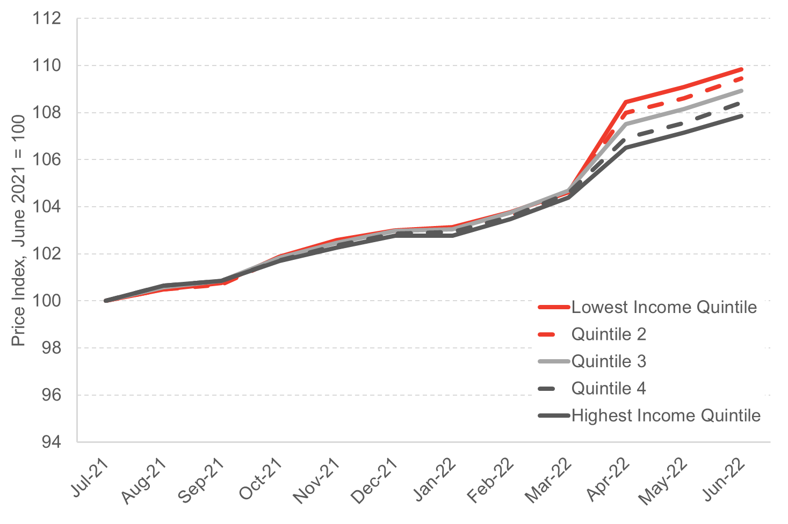

 | Source: Office for National Statistics, CPIH-consistent inflation rate estimates for UK household groups

 | Price Indices by Equivalised Disposable Income Quintiles
 |  | Price Indices |  |  |  |  | Indexed Price Indices
 |  | Quintile 1 | Quintile 2 | Quintile 3 | Quintile 4 | Quintile 5 | Quintile 1 | Quintile 2 | Quintile 3 | Quintile 4 | Quintile 5
 | Jul-21 | 143.2 | 142.9 | 141.3 | 140.1 | 141.2 | 100 | 100 | 100 | 100 | 100
 | Aug-21 | 143.9 | 143.6 | 142.1 | 141 | 142.1 | 100.49 | 100.49 | 100.57 | 100.64 | 100.64
 | Sep-21 | 144.3 | 143.9 | 142.5 | 141.3 | 142.4 | 100.77 | 100.70 | 100.85 | 100.86 | 100.85
 | Oct-21 | 145.9 | 145.5 | 143.9 | 142.5 | 143.6 | 101.89 | 101.82 | 101.84 | 101.71 | 101.70
 | Nov-21 | 146.9 | 146.4 | 144.8 | 143.4 | 144.4 | 102.58 | 102.45 | 102.48 | 102.36 | 102.27
 | Dec-21 | 147.5 | 147.1 | 145.5 | 144.1 | 145.1 | 103.00 | 102.94 | 102.97 | 102.86 | 102.76
 | Jan-22 | 147.7 | 147.3 | 145.6 | 144.2 | 145.1 | 103.14 | 103.08 | 103.04 | 102.93 | 102.76
 | Feb-22 | 148.6 | 148.1 | 146.6 | 145.1 | 146.1 | 103.77 | 103.64 | 103.75 | 103.57 | 103.47
 | Mar-22 | 149.8 | 149.4 | 147.9 | 146.5 | 147.4 | 104.61 | 104.55 | 104.67 | 104.57 | 104.39
 | Apr-22 | 155.3 | 154.3 | 151.9 | 149.8 | 150.4 | 108.45 | 107.98 | 107.50 | 106.92 | 106.52
 | May-22 | 156.2 | 155.2 | 152.8 | 150.7 | 151.3 | 109.08 | 108.61 | 108.14 | 107.57 | 107.15
 | Jun-22 | 157.3 | 156.4 | 153.9 | 151.9 | 152.3 | 109.85 | 109.45 | 108.92 | 108.42 | 107.86


 |  | Lowest Income Quintile | Quintile 2 | Quintile 3 | Quintile 4 | Highest Income Quintile
 | Jul-21 | 100 | 100 | 100 | 100 | 100
 | Aug-21 | 100.49 | 100.49 | 100.57 | 100.64 | 100.64
 | Sep-21 | 100.77 | 100.70 | 100.85 | 100.86 | 100.85
 | Oct-21 | 101.89 | 101.82 | 101.84 | 101.71 | 101.70
 | Nov-21 | 102.58 | 102.45 | 102.48 | 102.36 | 102.27
 | Dec-21 | 103.00 | 102.94 | 102.97 | 102.86 | 102.76
 | Jan-22 | 103.14 | 103.08 | 103.04 | 102.93 | 102.76
 | Feb-22 | 103.77 | 103.64 | 103.75 | 103.57 | 103.47
 | Mar-22 | 104.61 | 104.55 | 104.67 | 104.57 | 104.39
 | Apr-22 | 108.45 | 107.98 | 107.50 | 106.92 | 106.52
 | May-22 | 109.08 | 108.61 | 108.14 | 107.57 | 107.15
 | Jun-22 | 109.85 | 109.45 | 108.92 | 108.42 | 107.86

Chart 8.7
Back to Contents Page

 | Chart 8.7: Low income households spend proportionately more of their income on fuel

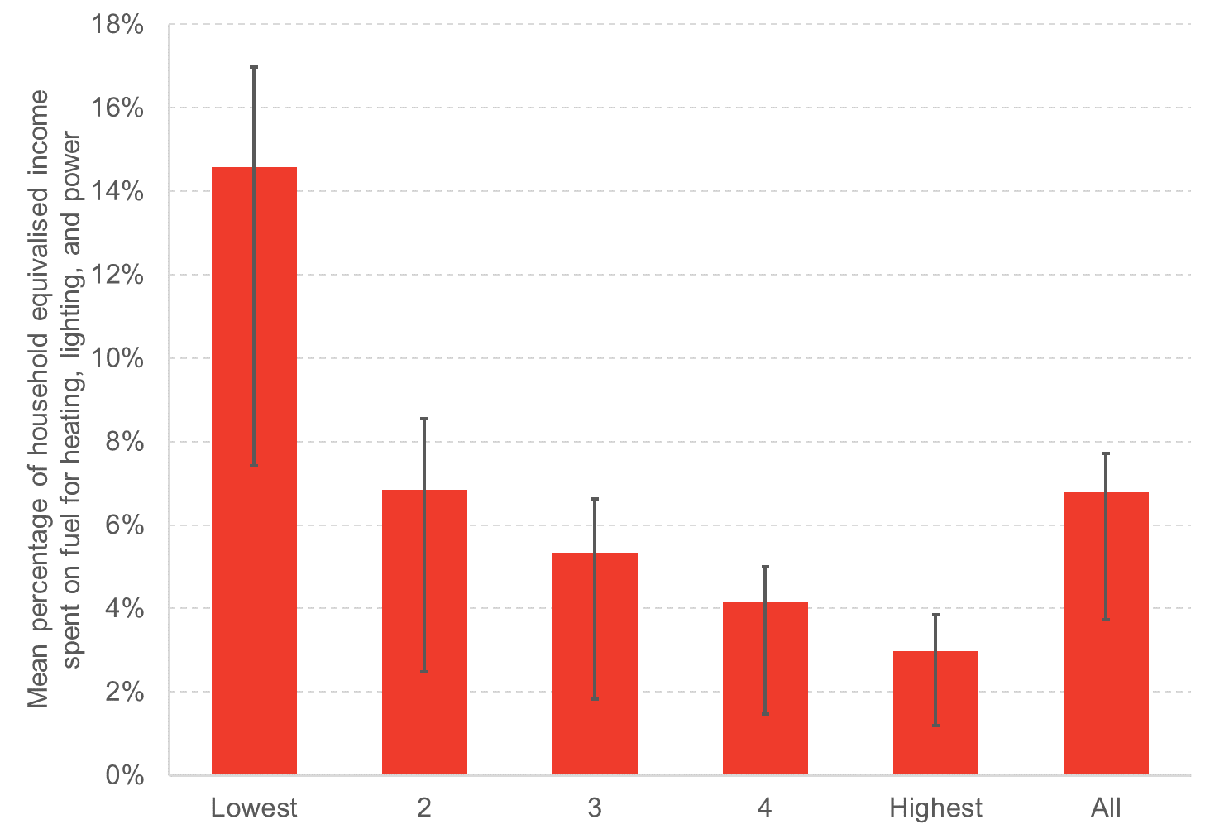

 | Source: FAI analysis of Scottish Household Survey 2019. N = 2,757.
 | Notes: error bars do not show confidence intervals, but show spending on fuel as a percentage of income at the 25th and 75th percentiles within each income quintile. For the first quintile for example, median expenditure on fuel is just over 10 per cent of income, but one quarter of households in the first quintile spend less than four per cent of income on fuel, and one quarter spend more than 15 per cent of income on fuel.

 | Percentage of Household Equivalised Income Spent on Fuel for Lighting, Heating and Power
 | Quintiles | Mean | 25th percentile | 75th percentile
 | 1 | 14.6% | 7.1% | 17.0%
 | 2 | 6.8% | 4.4% | 8.5%
 | 3 | 5.3% | 3.5% | 6.6%
 | 4 | 4.2% | 2.7% | 5.0%
 | 5 | 3.0% | 1.8% | 3.9%
 | All | 6.8% | 3.1% | 7.7%

