Chart 6.1
Back to Contents Page

 | Chart 6.1: Real terms per capita spending on health stagnated after the financial crisis – and more so in Scotland than in rUK
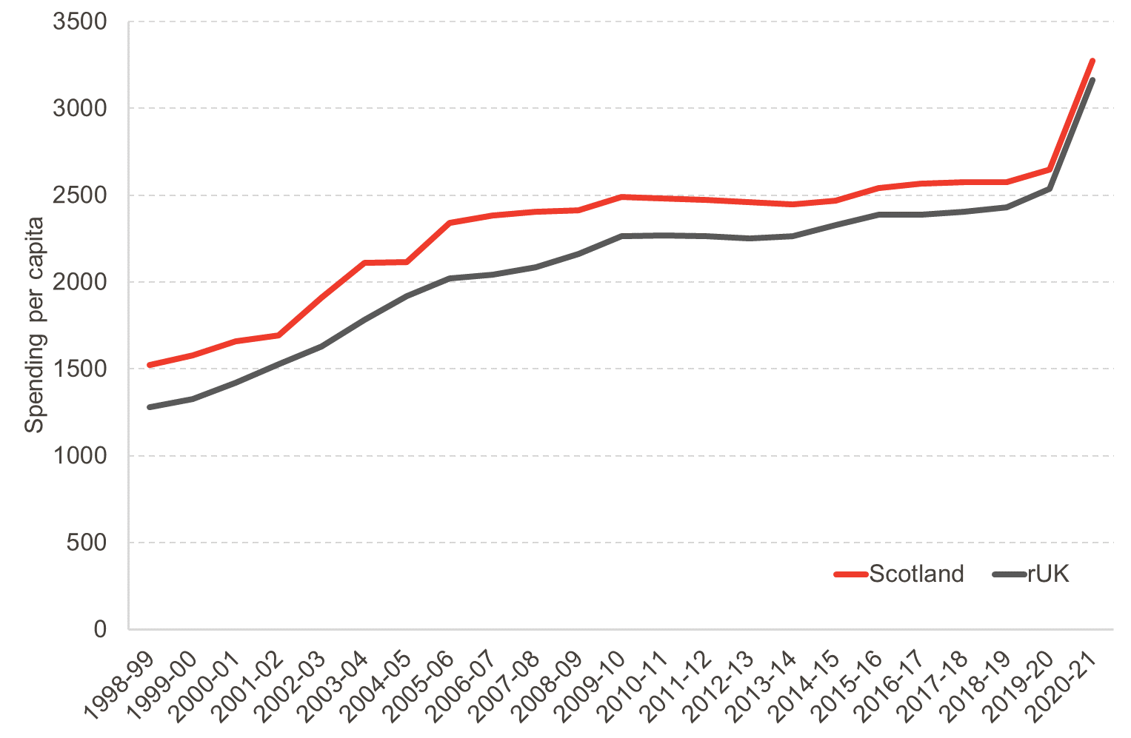

 | Source: FAI analysis of Government Expenditure and Revenue Scotland (Scottish Government, 2021).
 | Notes: chart shows resource spending, capital investment spending is excluded

 | Spending Per Capita
 |  | Scotland | rUK
 | 1998-99 | 1520.97 | 1279.61
 | 1999-00 | 1579.95 | 1326.70
 | 2000-01 | 1660.85 | 1419.51
 | 2001-02 | 1694.67 | 1526.03
 | 2002-03 | 1910.09 | 1631.43
 | 2003-04 | 2109.23 | 1782.45
 | 2004-05 | 2113.16 | 1917.61
 | 2005-06 | 2343.02 | 2023.55
 | 2006-07 | 2384.71 | 2042.59
 | 2007-08 | 2406.91 | 2085.75
 | 2008-09 | 2415.48 | 2160.15
 | 2009-10 | 2489.37 | 2265.45
 | 2010-11 | 2483.33 | 2268.13
 | 2011-12 | 2473.75 | 2262.56
 | 2012-13 | 2462.13 | 2249.67
 | 2013-14 | 2447.10 | 2265.28
 | 2014-15 | 2471.02 | 2329.66
 | 2015-16 | 2540.26 | 2386.33
 | 2016-17 | 2567.69 | 2389.74
 | 2017-18 | 2576.60 | 2405.12
 | 2018-19 | 2574.43 | 2428.53
 | 2019-20 | 2648.75 | 2537.63
 | 2020-21 | 3273.07 | 3163.01

Chart 6.2
Back to Contents Page

 | Chart 6.2: Real terms per capita spending on social care has remained unchanged since the financial crisis

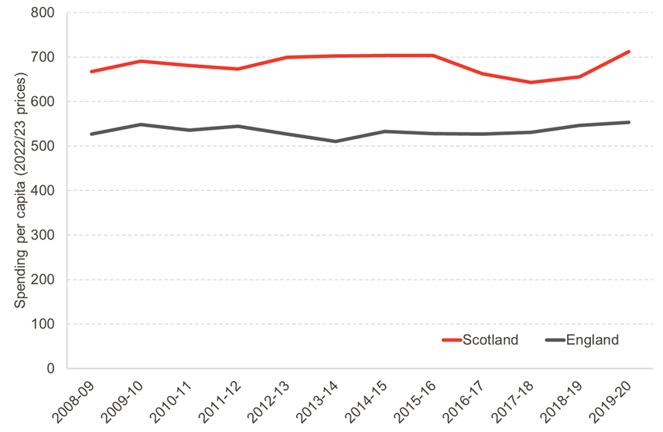

 | Source: FAI analysis of Public Expenditure Statistical Analysis (PESA), HM Treasury (various years).
 | Notes: social care spending is identified as ‘Personal Social Services’ spending in documentation, and amounted to £3.6bn in Scotland in 2019/20

 | Social Care Spending Per Capita
 |  | Scotland | England
 | 2008-09 | 667.54 | 527.53
 | 2009-10 | 690.65 | 548.34 | 667.5364784 | 690.64500379 | 681.44858232 | 673.62643379 | 699.98923757 | 702.11303324 | 703.74338831 | 703.12509411 | 662.99822757 | 643.29400835 | 655.42345831 | 711.99805824
 | 2010-11 | 681.45 | 536.01 | 527.5305187 | 548.33826402 | 536.00637857 | 544.57560574 | 527.47439022 | 510.20579621 | 532.840401 | 527.83627924 | 526.63580429 | 531.07350558 | 546.62129314 | 553.67300742
 | 2011-12 | 673.63 | 544.58
 | 2012-13 | 699.99 | 527.47
 | 2013-14 | 702.11 | 510.21
 | 2014-15 | 703.74 | 532.84
 | 2015-16 | 703.13 | 527.84
 | 2016-17 | 663.00 | 526.64
 | 2017-18 | 643.29 | 531.07
 | 2018-19 | 655.42 | 546.62
 | 2019-20 | 712.00 | 553.67

Chart 6.3
Back to Contents Page

 | Chart 6.3: Real terms spending on cultural services, planning and development and environmental services has shrunk by over a fifth since 2010/11

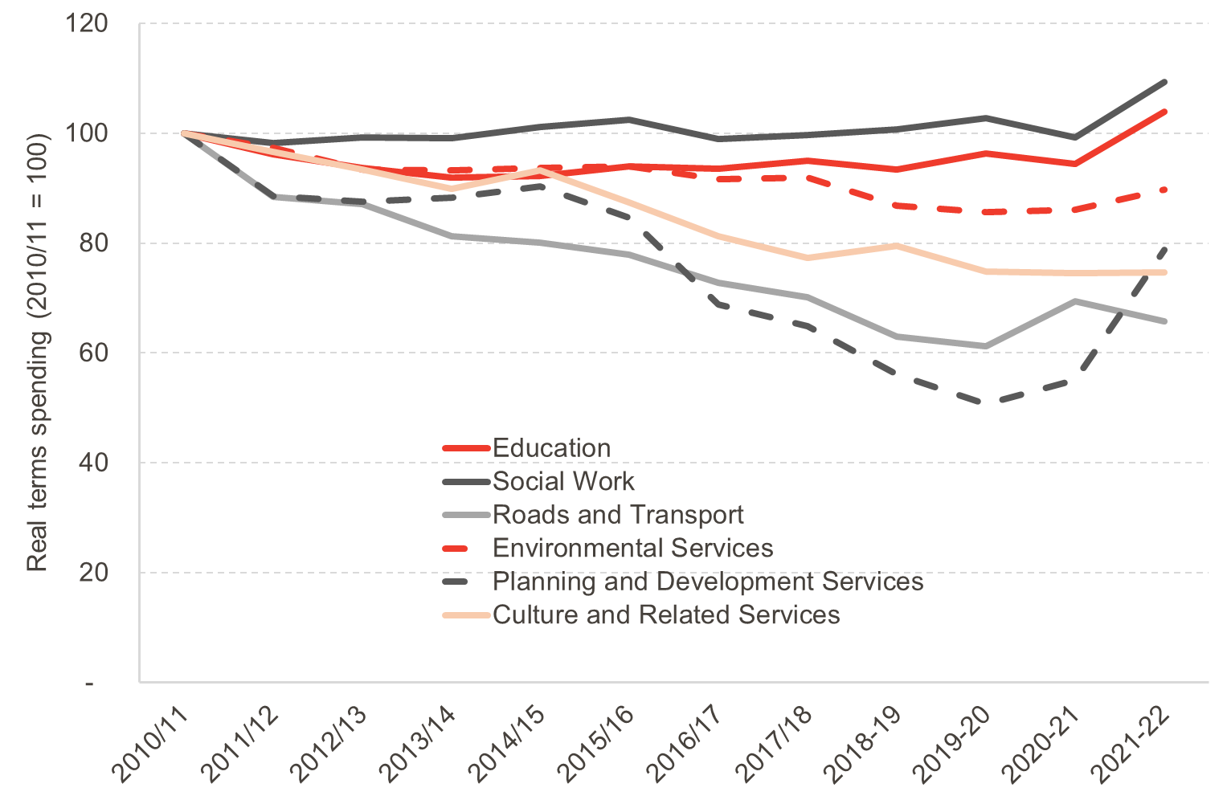

 | Source: FAI analysis of Provisional Outturn and Budget Estimates, Scottish Government (various years)

 | Government Real Terms Spending
 |  | Real terms service spending |  |  |  |  |  | Real terms index
 |  | Education | Social Work | Roads and Transport | Environmental Services | Planning and Development Services | Culture and Related Services | Education | Social Work | Roads and Transport | Environmental Services | Planning and Development Services | Culture and Related Services
 | 2010/11 | 6019297 | 3659292 | 678454 | 868923 | 408486 | 804192 | 100 | 100 | 100 | 100 | 100 | 100
 | 2011/12 | 5785028 | 3595121 | 599997 | 845637 | 361590 | 776727 | 96.1 | 98.2 | 88.4 | 97.3 | 88.5 | 96.6
 | 2012/13 | 5635583 | 3629112 | 590790 | 811290 | 357631 | 750879 | 93.6 | 99.2 | 87.1 | 93.4 | 87.6 | 93.4
 | 2013/14 | 5533029 | 3623720 | 551749 | 810394 | 360656 | 722922 | 91.9 | 99.0 | 81.3 | 93.3 | 88.3 | 89.9
 | 2014/15 | 5552784 | 3700247 | 543699 | 813536 | 369117 | 749561 | 92.2 | 101.1 | 80.1 | 93.6 | 90.4 | 93.2
 | 2015/16 | 5655103 | 3747315 | 528972 | 816578 | 345932 | 702755 | 93.9 | 102.4 | 78.0 | 94.0 | 84.7 | 87.4
 | 2016/17 | 5631050 | 3622867 | 493476 | 796814 | 281399 | 653042 | 93.5 | 99.0 | 72.7 | 91.7 | 68.9 | 81.2
 | 2017/18 | 5714577 | 3648709 | 475911 | 798660 | 265099 | 621624 | 94.9 | 99.7 | 70.1 | 91.9 | 64.9 | 77.3
 | 2018-19 | 5624109 | 3686030 | 427042 | 754062 | 229061 | 639786 | 93.4 | 100.7 | 62.9 | 86.8 | 56.1 | 79.6
 | 2019-20 | 5799406 | 3760446 | 415727 | 744292 | 206953 | 602252 | 96.3 | 102.8 | 61.3 | 85.7 | 50.7 | 74.9
 | 2020-21 | 5685451 | 3633921 | 471199 | 747640 | 225208 | 599746 | 94.5 | 99.3 | 69.5 | 86.0 | 55.1 | 74.6
 | 2021-22 | 6252822 | 3999775 | 445831 | 780405 | 321813 | 601132 | 103.9 | 109.3 | 65.7 | 89.8 | 78.8 | 74.7

Chart 6.4
Back to Contents Page

 | Chart 6.4: The proportion of Scots who do not trust the UK government to make fair decisions has increased

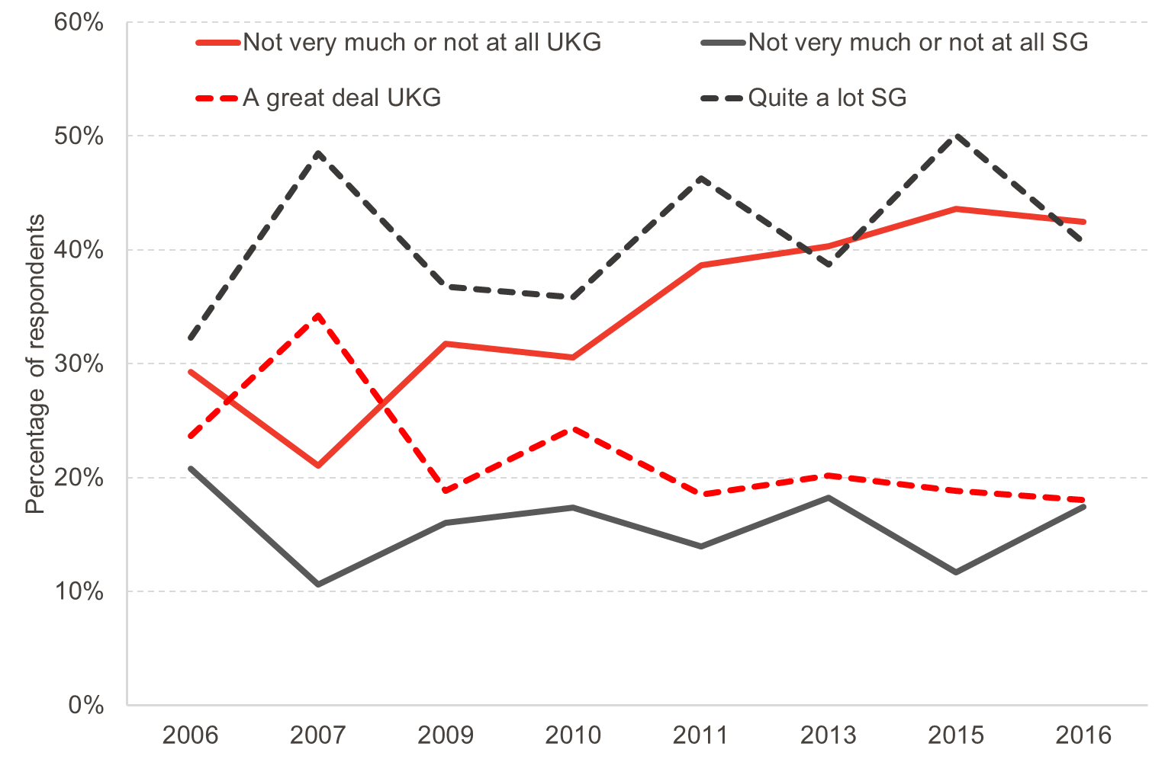

 | Source: FAI analysis of Scottish Social Attitudes Survey. N = 11,032

 | Trust in UK Government
 |  | A great deal | Quite a lot | Some | Not very much | Not at all
 | 2006 | 2% | 21% | 47% | 23% | 6%
 | 2007 | 3% | 31% | 45% | 17% | 4%
 | 2009 | 2% | 17% | 49% | 25% | 7%
 | 2010 | 3% | 22% | 45% | 23% | 7%
 | 2011 | 3% | 16% | 43% | 27% | 11%
 | 2013 | 3% | 18% | 40% | 29% | 11%
 | 2015 | 2% | 17% | 38% | 29% | 15%
 | 2016 | 2% | 16% | 39% | 29% | 13%

 | Trust in Scottish Government
 |  | A great deal | Quite a lot | Some | Not very much | Not at all
 | 2006 | 3% | 29% | 47% | 16% | 5%
 | 2007 | 5% | 44% | 41% | 9% | 2%
 | 2009 | 4% | 33% | 47% | 13% | 3%
 | 2010 | 4% | 32% | 47% | 14% | 4%
 | 2011 | 8% | 38% | 40% | 11% | 3%
 | 2013 | 5% | 34% | 43% | 15% | 4%
 | 2015 | 8% | 42% | 38% | 9% | 3%
 | 2016 | 8% | 33% | 42% | 13% | 4%

 | Trust in UK and Scottish Government
 |  | Not very much or not at all |  | Quite a lot or a great deal
 |  | UKG | SG | UKG | SG
 | 2006 | 29% | 21% | 24% | 32%
 | 2007 | 21% | 11% | 34% | 49%
 | 2009 | 32% | 16% | 19% | 37%
 | 2010 | 31% | 17% | 24% | 36%
 | 2011 | 39% | 14% | 19% | 46%
 | 2013 | 40% | 18% | 20% | 39%
 | 2015 | 44% | 12% | 19% | 50%
 | 2016 | 42% | 17% | 18% | 41%

Chart 6.6
Back to Contents Page

 | Chart 6.6: Dissatisfaction with local health services has increased since the austerity period

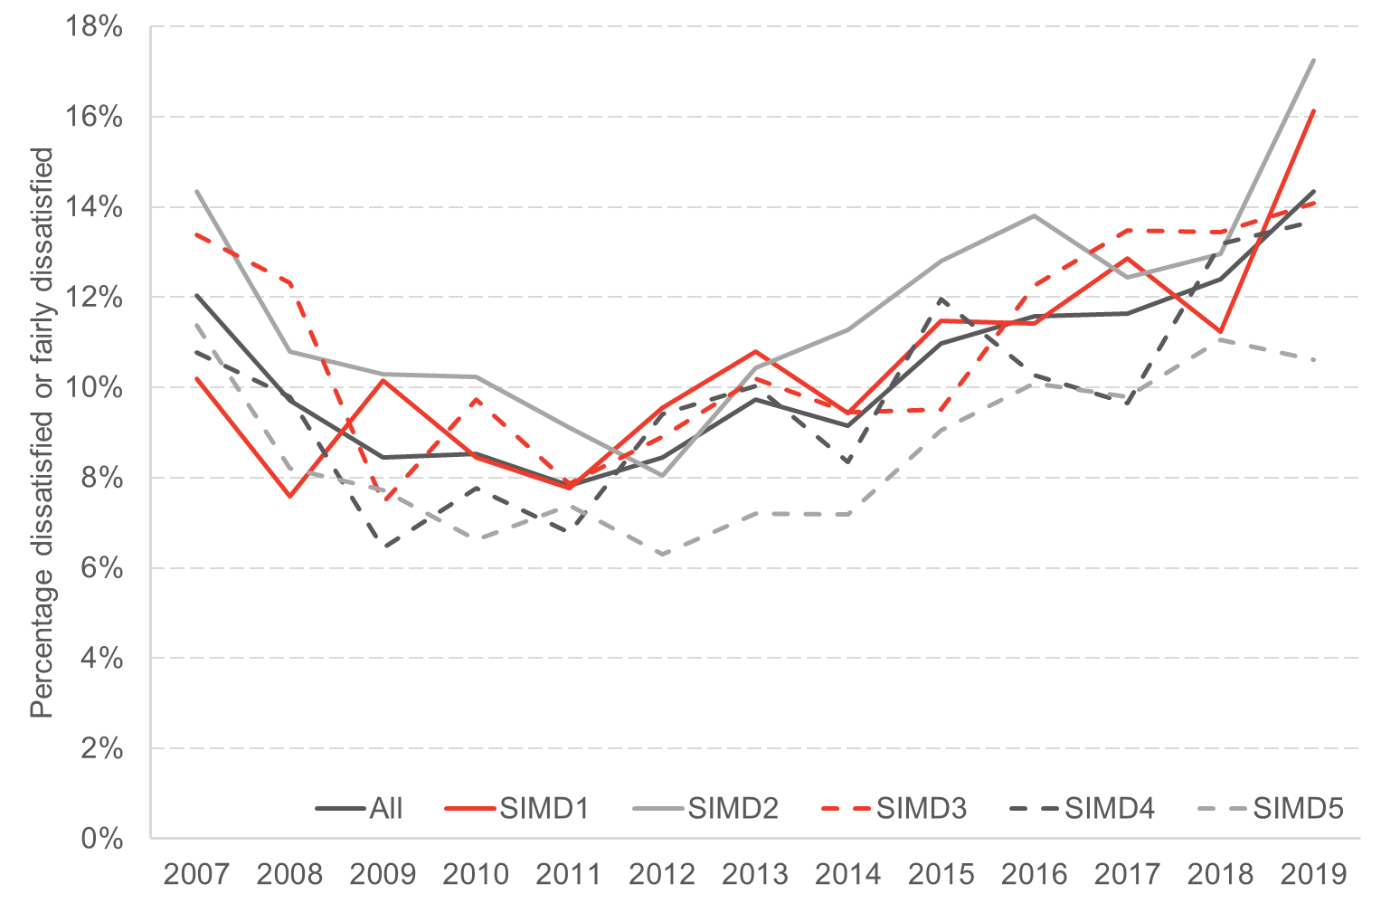

 | Source: FAI analysis of Scottish Household Survey. N = 125,687

 | Dissatisfaction with local health services by SIMD quintile and year
 |  | 2007 | 2008 | 2009 | 2010 | 2011 | 2012 | 2013 | 2014 | 2015 | 2016 | 2017 | 2018 | 2019
 | All | 12% | 10% | 8% | 9% | 8% | 8% | 10% | 9% | 11% | 12% | 12% | 12% | 14%
 | SIMD1 | 10% | 8% | 10% | 8% | 8% | 10% | 11% | 9% | 11% | 11% | 13% | 11% | 16%
 | SIMD2 | 14% | 11% | 10% | 10% | 9% | 8% | 10% | 11% | 13% | 14% | 12% | 13% | 17%
 | SIMD3 | 13% | 12% | 7% | 10% | 8% | 9% | 10% | 9% | 10% | 12% | 13% | 13% | 14%
 | SIMD4 | 11% | 10% | 6% | 8% | 7% | 9% | 10% | 8% | 12% | 10% | 10% | 13% | 14%
 | SIMD5 | 11% | 8% | 8% | 7% | 7% | 6% | 7% | 7% | 9% | 10% | 10% | 11% | 11%

Chart 6.7
Back to Contents Page

 | Chart 6.7: Dissatisfaction with local authority services has not significantly changed during the austerity decade
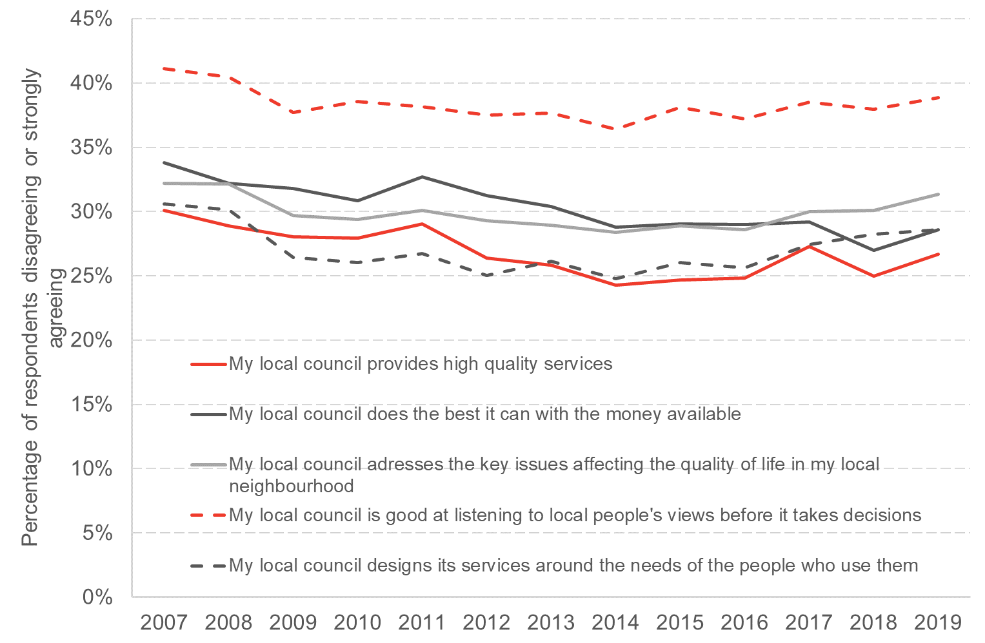

 | Source: FAI analysis of Scottish Household Survey. N = 125,687

 | Percentage of respondents who disagreed with the following statements about local authority services
 |  | My local council provides high quality services | My local council does the best it can with the money available | My local council adresses the key issues affecting the quality of life in my local neighbourhood | My local council is good at listening to local people's views before it takes decisions | My local council designs its services around the needs of the people who use them
 | 2007 | 30% | 34% | 32% | 41% | 31%
 | 2008 | 29% | 32% | 32% | 40% | 30%
 | 2009 | 28% | 32% | 30% | 38% | 26%
 | 2010 | 28% | 31% | 29% | 39% | 26%
 | 2011 | 29% | 33% | 30% | 38% | 27%
 | 2012 | 26% | 31% | 29% | 38% | 25%
 | 2013 | 26% | 30% | 29% | 38% | 26%
 | 2014 | 24% | 29% | 28% | 36% | 25%
 | 2015 | 25% | 29% | 29% | 38% | 26%
 | 2016 | 25% | 29% | 29% | 37% | 26%
 | 2017 | 27% | 29% | 30% | 39% | 27%
 | 2018 | 25% | 27% | 30% | 38% | 28%
 | 2019 | 27% | 29% | 31% | 39% | 29%

