Chart 3.2
Back to Contents Page

 | Chart 3.2: The longrun growth of household incomes has stalled since 2010
 | Median household income, before housing costs, Scotland (2019/20 prices)
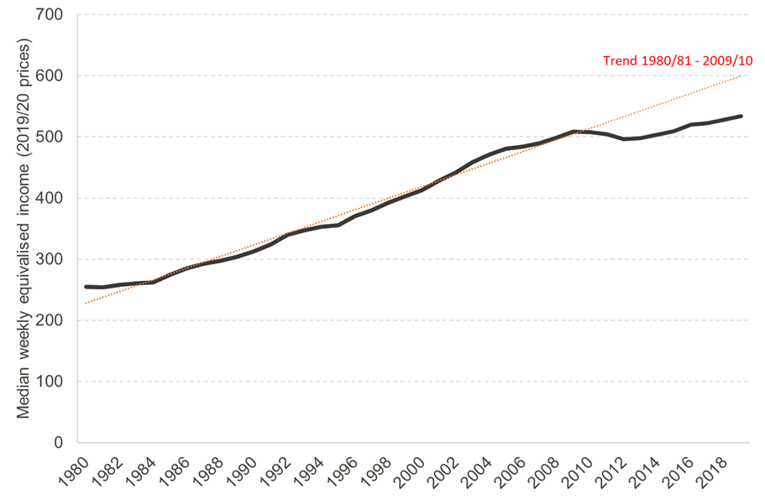

 | Source: FAI analysis of the Family Resources Survey (Historic Dataset) and Households Below Average Income datasets, various years. Note: data is presented on basis of three year rolling averages for the three years up to the date shown on the x-axis.

 | Real Household Incomes
 |  | 3-yr average
 | 1980 | 254.61005248
 | 1981 | 254.3110142
 | 1982 | 258.30978121
 | 1983 | 260.41262751
 | 1984 | 262.4488676
 | 1985 | 274.33914179
 | 1986 | 284.88772566
 | 1987 | 292.10992344
 | 1988 | 297.72482535
 | 1989 | 303.91498041
 | 1990 | 313.27217846
 | 1991 | 324.61200058
 | 1992 | 339.60354602
 | 1993 | 347.04886868
 | 1994 | 353.45074565
 | 1995 | 355.914416
 | 1996 | 370
 | 1997 | 380.33333333
 | 1998 | 392
 | 1999 | 403.33333333
 | 2000 | 413
 | 2001 | 428.66666667
 | 2002 | 441.33333333
 | 2003 | 459
 | 2004 | 470.66666667
 | 2005 | 481
 | 2006 | 483.66666667
 | 2007 | 490
 | 2008 | 498.33333333
 | 2009 | 508.33333333
 | 2010 | 507.33333333
 | 2011 | 504.66666667
 | 2012 | 496.66666667
 | 2013 | 498
 | 2014 | 504
 | 2015 | 509.33333333
 | 2016 | 520.33333333
 | 2017 | 522.66666667
 | 2018 | 528
 | 2019 | 534

Chart 3.3
Back to Contents Page

 | Chart 3.3: Household income inequality rose significantly during the 1980s, and has remained high since then
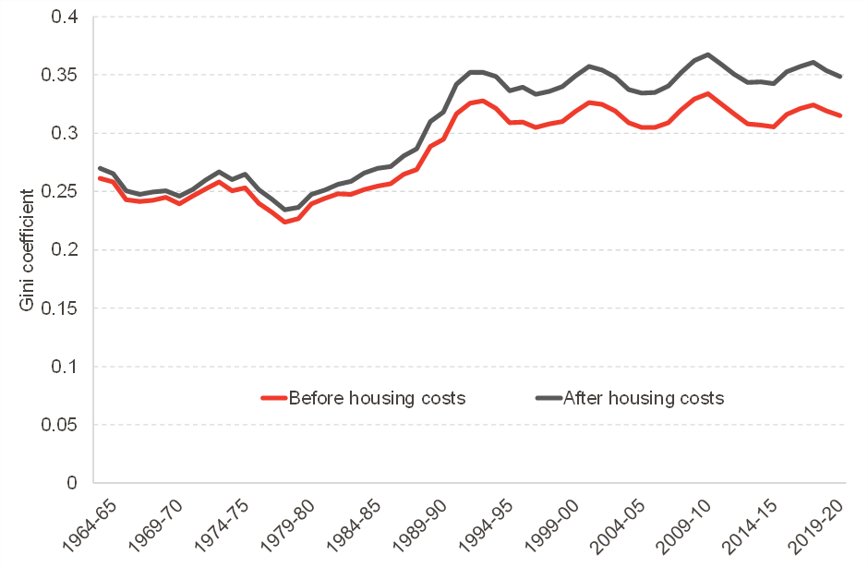

 | Source: FAI analysis of Households Below Average Income datasets.
 | Note: data is presented on basis of three year rolling averages for the three years up to the date shown on the x-axis. N = 206,582

 | Household Income Inequality
 |  | Annual Data |  | 3 Year Average
 |  | Before housing costs | After housing costs | Before housing costs | After housing costs
 | 1961-62 | 0.27 | 0.28
 | 1962-63 | 0.25 | 0.26
 | 1963-64 | 0.27 | 0.27 | 0.26 | 0.27
 | 1964-65 |  |  | 0.26 | 0.27
 | 1965-66 | 0.22 | 0.23 | 0.24 | 0.25
 | 1966-67 | 0.26 | 0.27 | 0.24 | 0.25
 | 1967-68 | 0.24 | 0.25 | 0.24 | 0.25
 | 1968-69 | 0.23 | 0.23 | 0.25 | 0.25
 | 1969-70 | 0.25 | 0.26 | 0.24 | 0.25
 | 1970-71 | 0.26 | 0.27 | 0.25 | 0.25
 | 1971-72 | 0.25 | 0.25 | 0.25 | 0.26
 | 1972-73 | 0.27 | 0.28 | 0.26 | 0.27
 | 1973-74 | 0.24 | 0.25 | 0.25 | 0.26
 | 1974-75 | 0.25 | 0.27 | 0.25 | 0.26
 | 1975-76 | 0.23 | 0.24 | 0.24 | 0.25
 | 1976-77 | 0.22 | 0.23 | 0.23 | 0.24
 | 1977-78 | 0.23 | 0.24 | 0.22 | 0.23
 | 1978-79 | 0.24 | 0.24 | 0.23 | 0.24
 | 1979-80 | 0.26 | 0.26 | 0.24 | 0.25
 | 1980-81 | 0.24 | 0.25 | 0.24 | 0.25
 | 1981-82 | 0.25 | 0.26 | 0.25 | 0.26
 | 1982-83 | 0.25 | 0.27 | 0.25 | 0.26
 | 1983-84 | 0.25 | 0.27 | 0.25 | 0.27
 | 1984-85 | 0.26 | 0.27 | 0.25 | 0.27
 | 1985-86 | 0.26 | 0.27 | 0.26 | 0.27
 | 1986-87 | 0.28 | 0.30 | 0.26 | 0.28
 | 1987-88 | 0.27 | 0.29 | 0.27 | 0.29
 | 1988-89 | 0.32 | 0.34 | 0.29 | 0.31
 | 1989-90 | 0.30 | 0.32 | 0.30 | 0.32
 | 1990-91 | 0.34 | 0.36 | 0.32 | 0.34
 | 1991-92 | 0.35 | 0.37 | 0.33 | 0.35
 | 1992-93 | 0.30 | 0.32 | 0.33 | 0.35
 | 1993-94 | 0.32 | 0.35 | 0.32 | 0.35
 | 1994-95 | 0.31 | 0.34 | 0.31 | 0.34
 | 1995-96 | 0.30 | 0.33 | 0.31 | 0.34
 | 1996-97 | 0.30 | 0.33 | 0.31 | 0.33
 | 1997-98 | 0.32 | 0.35 | 0.31 | 0.34
 | 1998-99 | 0.31 | 0.34 | 0.31 | 0.34
 | 1999-00 | 0.33 | 0.36 | 0.32 | 0.35
 | 2000-01 | 0.34 | 0.37 | 0.33 | 0.36
 | 2001-02 | 0.31 | 0.33 | 0.32 | 0.35
 | 2002-03 | 0.31 | 0.34 | 0.32 | 0.35
 | 2003-04 | 0.31 | 0.34 | 0.31 | 0.34
 | 2004-05 | 0.30 | 0.33 | 0.30 | 0.33
 | 2005-06 | 0.31 | 0.34 | 0.31 | 0.34
 | 2006-07 | 0.32 | 0.35 | 0.31 | 0.34
 | 2007-08 | 0.33 | 0.36 | 0.32 | 0.35
 | 2008-09 | 0.34 | 0.37 | 0.33 | 0.36
 | 2009-10 | 0.33 | 0.37 | 0.33 | 0.37
 | 2010-11 | 0.30 | 0.34 | 0.33 | 0.36
 | 2011-12 | 0.31 | 0.35 | 0.32 | 0.35
 | 2012-13 | 0.31 | 0.35 | 0.31 | 0.34
 | 2013-14 | 0.30 | 0.34 | 0.31 | 0.34
 | 2014-15 | 0.31 | 0.34 | 0.31 | 0.34
 | 2015-16 | 0.34 | 0.38 | 0.32 | 0.35
 | 2016-17 | 0.32 | 0.35 | 0.32 | 0.36
 | 2017-18 | 0.32 | 0.35 | 0.32 | 0.36
 | 2018-19 | 0.33 | 0.36 | 0.32 | 0.35
 | 2019-20 | 0.30 | 0.34 | 0.32 | 0.35

Chart 3.4
Back to Contents Page

 | Chart 3.4: Household income inequality in Scotland and the UK is high in an international context

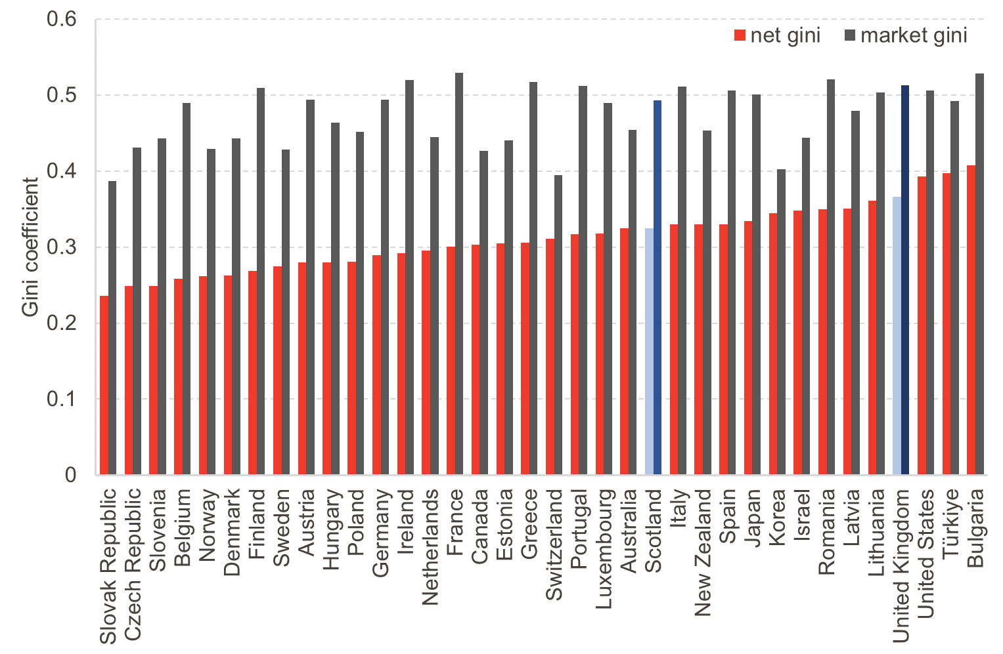

 | Source: OECD income distribution database and FAI analysis. Household income is measured net of taxes and benefits before housing costs and is equivalised.

 | Household Income Inequality
 |  | net gini | market gini
 | Slovak Republic | 0.236 | 0.387
 | Czech Republic | 0.249 | 0.431
 | Slovenia | 0.249 | 0.443
 | Belgium | 0.258 | 0.49
 | Norway | 0.262 | 0.429
 | Denmark | 0.263 | 0.443
 | Finland | 0.269 | 0.509
 | Sweden | 0.275 | 0.428
 | Austria | 0.28 | 0.494
 | Hungary | 0.28 | 0.464
 | Poland | 0.281 | 0.452
 | Germany | 0.289 | 0.494
 | Ireland | 0.292 | 0.52
 | Netherlands | 0.295 | 0.445
 | France | 0.301 | 0.529
 | Canada | 0.303 | 0.427
 | Estonia | 0.305 | 0.44
 | Greece | 0.306 | 0.517
 | Switzerland | 0.311 | 0.395
 | Portugal | 0.317 | 0.512
 | Luxembourg | 0.318 | 0.49
 | Australia | 0.325 | 0.454
 | Scotland | 0.325 | 0.493
 | Italy | 0.33 | 0.511
 | New Zealand | 0.33 | 0.453
 | Spain | 0.33 | 0.506
 | Japan | 0.334 | 0.501
 | Korea | 0.345 | 0.402
 | Israel | 0.348 | 0.444
 | Romania | 0.35 | 0.521
 | Latvia | 0.351 | 0.479
 | Lithuania | 0.361 | 0.503
 | United Kingdom | 0.366 | 0.513
 | United States | 0.393 | 0.506
 | Türkiye | 0.397 | 0.492
 | Bulgaria | 0.408 | 0.528
 | Mexico | 0.418 | 0.43
 | Costa Rica | 0.479 | 0.531

Chart 3.7
Back to Contents Page

 | Chart 3.7: There is a large degree of income mobility over a 10-year period, but income persistence for a minority

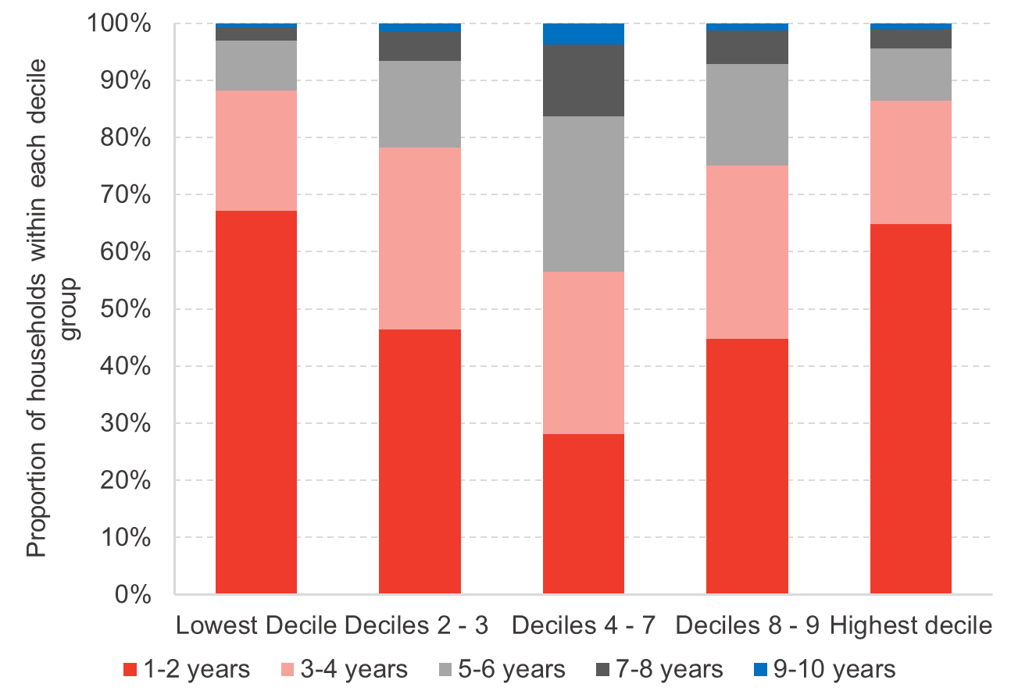

 | Source: FAI analysis of Understanding Society
 | Note: income measured after housing costs, equivalised. Unweighted N = 1,066

 | Number of People Spending At Least 1 Year in Each Decile
 | Number of Years | Decile
 |  | Lowest decile | Deciles 2 - 3 | Deciles 4 - 7 | Deciles 8 - 9 | Highest decile
 | 1-2 years | 67% | 46% | 28% | 45% | 65%
 | 3-4 years | 21% | 32% | 28% | 30% | 22%
 | 5-6 years | 9% | 15% | 27% | 18% | 9%
 | 7-8 years | 2% | 5% | 13% | 6% | 3%
 | 9-10 years | 1% | 1% | 4% | 1% | 1%

Chart 3.8
Back to Contents Page

 | Chart 3.8: There is a large degree of income mobility over a 10-year period, but income persistence for a minority (2)

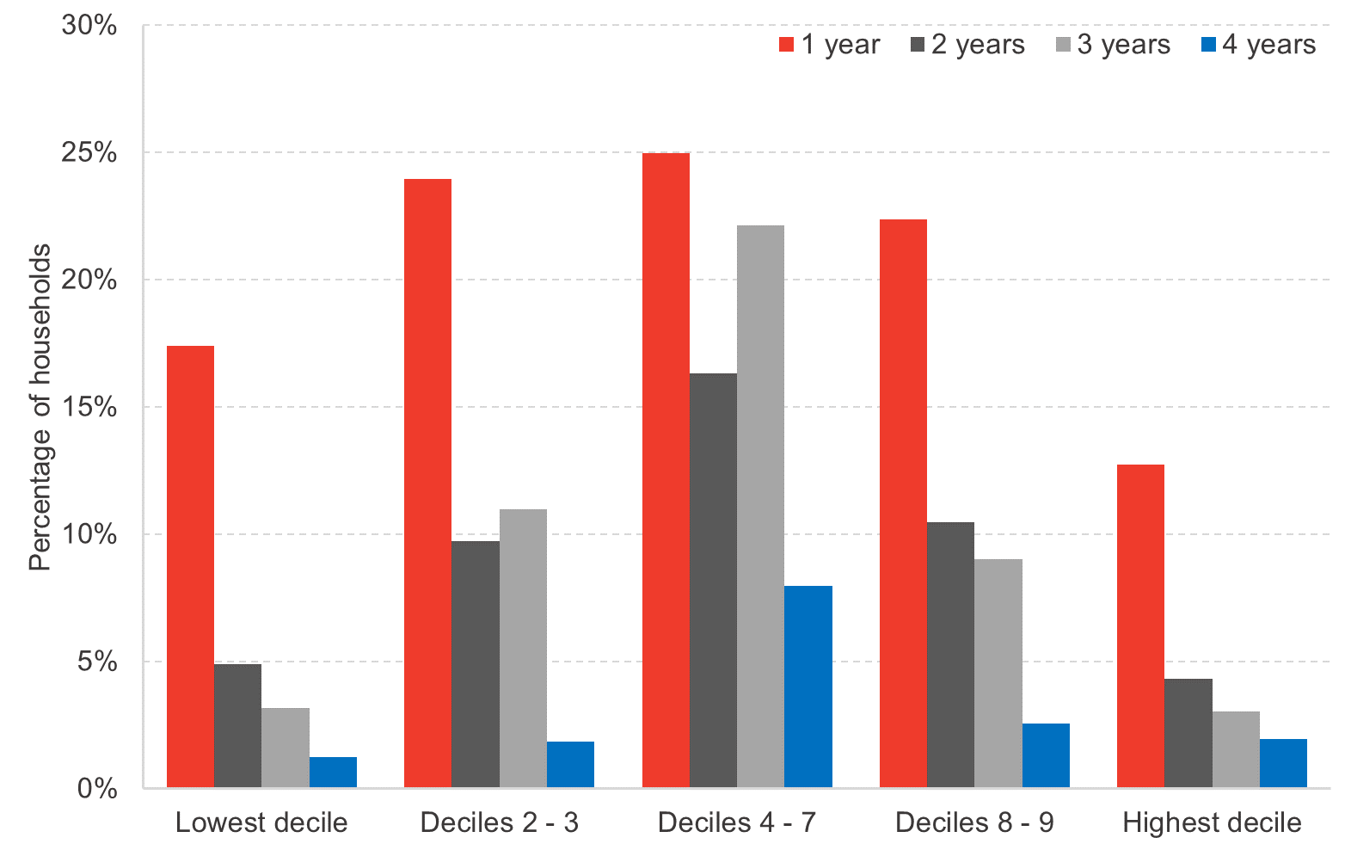

 | Source: FAI analysis of Understanding Society
 | Note: income measured after housing costs, equivalised. Unweighted N = 2,193

 | Number of People Spending At Least 1 Year in Each Decile
 | Number of Years | Decile
 |  | Lowest decile | Deciles 2 - 3 | Deciles 4 - 7 | Deciles 8 - 9 | Highest decile
 | 1 year | 17% | 24% | 25% | 22% | 13%
 | 2 years | 5% | 10% | 16% | 10% | 4%
 | 3 years | 3% | 11% | 22% | 9% | 3%
 | 4 years | 1% | 2% | 8% | 3% | 2%

 | Number of People Spending At Least 1 Year in Each Decile
 | Number of Years | Decile
 |  | Lowest decile | Deciles 2 - 3 | Deciles 4 - 7 | Deciles 8 - 9 | Highest decile
 | 1 year | 604.98 | 832.91 | 868.48 | 777.27 | 443.00
 | 2 years | 169.82 | 337.66 | 566.80 | 364.17 | 150.47
 | 3 years | 109.86 | 381.81 | 769.99 | 313.09 | 105.42
 | 4 years | 43.34 | 63.74 | 277.47 | 88.46 | 67.89
 | 0 years | 2549.13

 | Total Weighted Sample | 3477.14

Chart 3.12
Back to Contents Page

 | Chart 3.12: Scotland’s before housing cost poverty rate is in line with the average of EU countries

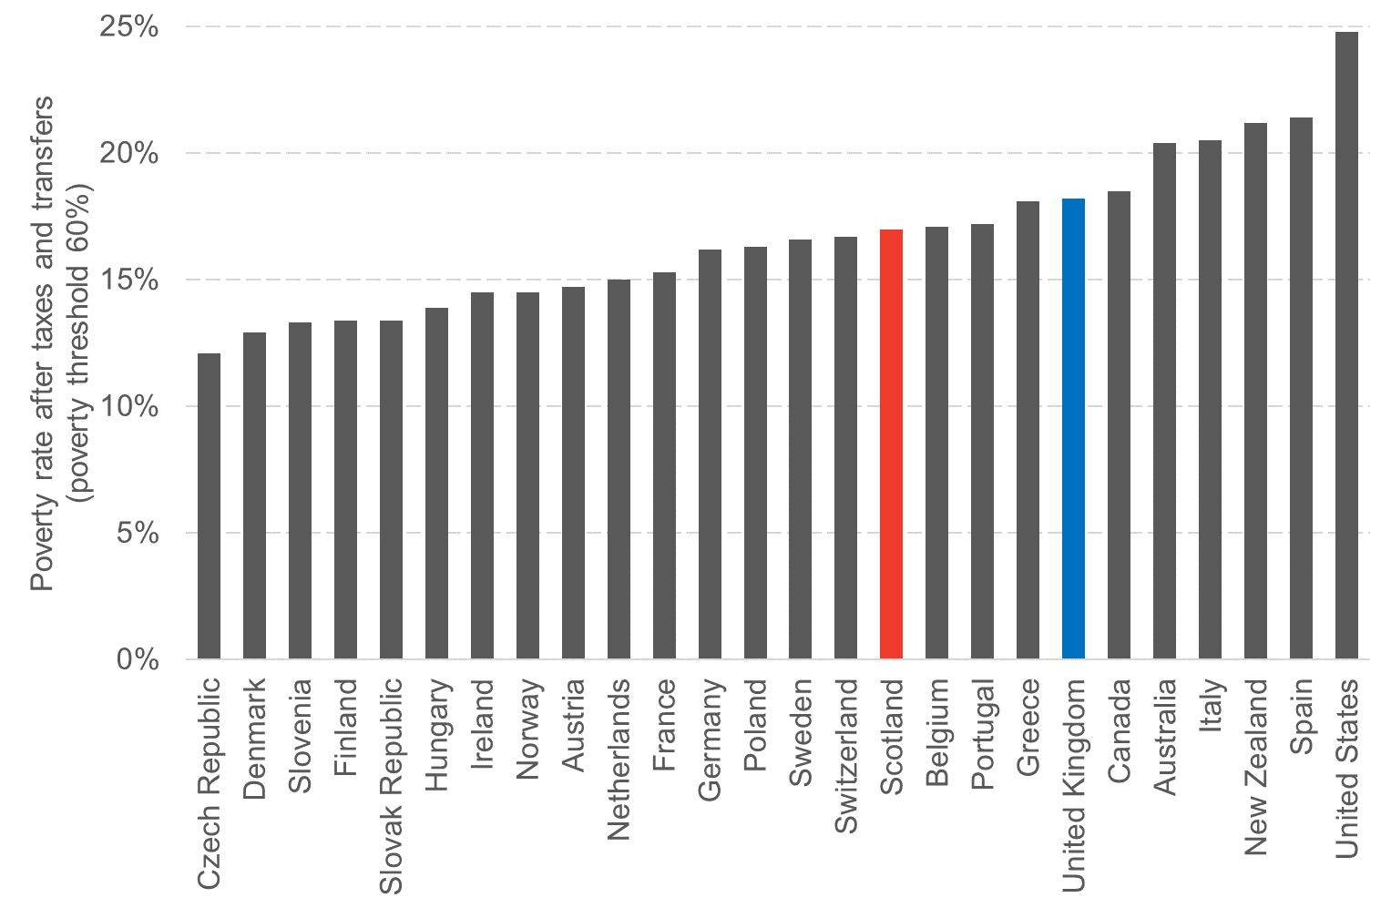

 | Source: OECD Income Distribution statistics, and FAI analysis of Households Below Average Income datasets.

 | Poverty Rate after Taxes and Transfers (2018)
 | Czech Republic | 12%
 | Denmark | 13%
 | Slovenia | 13%
 | Finland | 13%
 | Slovak Republic | 13%
 | Hungary | 14%
 | Ireland | 15%
 | Norway | 15%
 | Austria | 15%
 | Netherlands | 15%
 | France | 15%
 | Germany | 16%
 | Poland | 16%
 | Sweden | 17%
 | Switzerland | 17%
 | Scotland | 17%
 | Belgium | 17%
 | Portugal | 17%
 | Greece | 18%
 | United Kingdom | 18%
 | Canada | 19%
 | Australia | 20%
 | Italy | 21%
 | New Zealand | 21%
 | Spain | 21%
 | United States | 25%

Chart 3.13
Back to Contents Page

 | Chart 3.13: Extreme poverty was on the rise in the lead-up to the pandemic
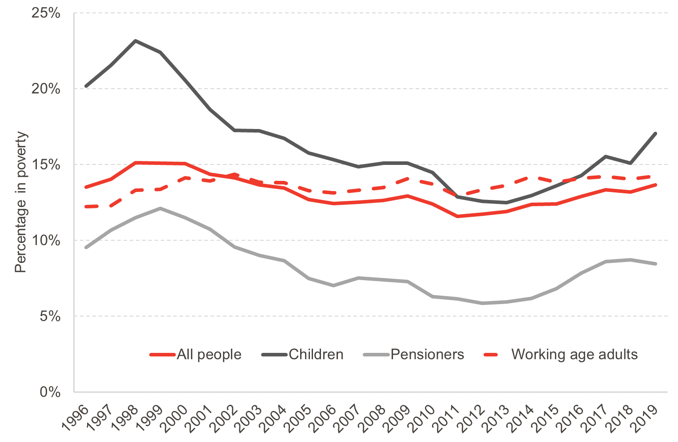

 | Source: FAI analysis of Households Below Average Income datasets. N = 181,558

 | Percentage of People in Extreme Poverty by Group |  |  |  |  | Percentage of People in Extreme Poverty by Group (3 Year average)
 |  | All People | Children | Pensioners | Working Age Adults |  | All People | Children | Pensioners | Working Age Adults
 | 1994 | 13% | 18% | 9% | 12% | 1996 | 14% | 20% | 10% | 12%
 | 1995 | 12% | 18% | 8% | 11% | 1997 | 14% | 22% | 11% | 12%
 | 1996 | 16% | 24% | 12% | 14% | 1998 | 15% | 23% | 11% | 13%
 | 1997 | 15% | 22% | 12% | 13% | 1999 | 15% | 22% | 12% | 13%
 | 1998 | 15% | 23% | 11% | 14% | 2000 | 15% | 21% | 11% | 14%
 | 1999 | 15% | 22% | 14% | 14% | 2001 | 14% | 19% | 11% | 14%
 | 2000 | 14% | 17% | 10% | 15% | 2002 | 14% | 17% | 10% | 14%
 | 2001 | 13% | 17% | 8% | 13% | 2003 | 14% | 17% | 9% | 14%
 | 2002 | 15% | 18% | 10% | 15% | 2004 | 13% | 17% | 9% | 14%
 | 2003 | 13% | 17% | 9% | 13% | 2005 | 13% | 16% | 8% | 13%
 | 2004 | 13% | 16% | 7% | 13% | 2006 | 12% | 15% | 7% | 13%
 | 2005 | 12% | 15% | 7% | 14% | 2007 | 13% | 15% | 8% | 13%
 | 2006 | 12% | 15% | 7% | 13% | 2008 | 13% | 15% | 7% | 14%
 | 2007 | 13% | 14% | 9% | 14% | 2009 | 13% | 15% | 7% | 14%
 | 2008 | 13% | 15% | 6% | 14% | 2010 | 12% | 14% | 6% | 14%
 | 2009 | 13% | 15% | 7% | 14% | 2011 | 12% | 13% | 6% | 13%
 | 2010 | 11% | 13% | 6% | 13% | 2012 | 12% | 13% | 6% | 13%
 | 2011 | 10% | 11% | 6% | 12% | 2013 | 12% | 13% | 6% | 14%
 | 2012 | 14% | 15% | 6% | 16% | 2014 | 12% | 13% | 6% | 14%
 | 2013 | 12% | 12% | 6% | 13% | 2015 | 12% | 14% | 7% | 14%
 | 2014 | 12% | 12% | 6% | 14% | 2016 | 13% | 14% | 8% | 14%
 | 2015 | 14% | 16% | 8% | 15% | 2017 | 13% | 16% | 9% | 14%
 | 2016 | 13% | 14% | 9% | 14% | 2018 | 13% | 15% | 9% | 14%
 | 2017 | 13% | 16% | 9% | 14% | 2019 | 14% | 17% | 8% | 14%
 | 2018 | 13% | 15% | 8% | 14%
 | 2019 | 15% | 20% | 8% | 15%

Chart 3.14
Back to Contents Page

 | Chart 3.14: Single parents and those on low incomes are least likely to experience food security

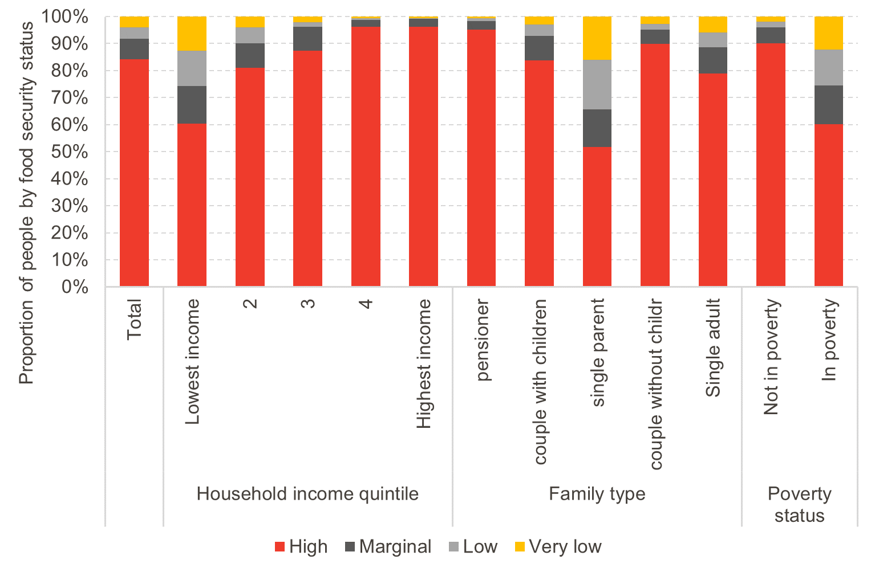

 | Source: FAI analysis of Households Below Average Income datasets. N = 5,525

 | Food Security Status by Income Quintile, Family Type and Poverty Status
 |  |  | High | Marginal | Low | Very low
 |  | Total | 84.31 | 7.45 | 4.33 | 3.92
 | Household income quintile | Lowest income | 60.33 | 14.04 | 13.02 | 12.61
 |  | 2 | 80.98 | 9.21 | 5.85 | 3.96
 |  | 3 | 87.4 | 8.78 | 1.78 | 2.05
 |  | 4 | 96.17 | 2.49 | 0.81 | 0.53
 |  | Highest income | 96.22 | 2.9 | 0.32 | 0.56
 | Family type | pensioner | 95.23 | 3.16 | 0.91 | 0.7
 |  | couple with children | 83.77 | 9.16 | 4.15 | 2.93
 |  | single parent | 51.79 | 13.79 | 18.34 | 16.08
 |  | couple without childr | 89.97 | 5.14 | 2.26 | 2.63
 |  | Single adult | 78.98 | 9.67 | 5.42 | 5.93
 | Poverty status | Not in poverty | 90.14 | 5.79 | 2.17 | 1.9
 |  | In poverty | 60.13 | 14.3 | 13.27 | 12.3

Chart 3.15
Back to Contents Page

 | Chart 3.15: Household wealth is distributed extremely unevenly

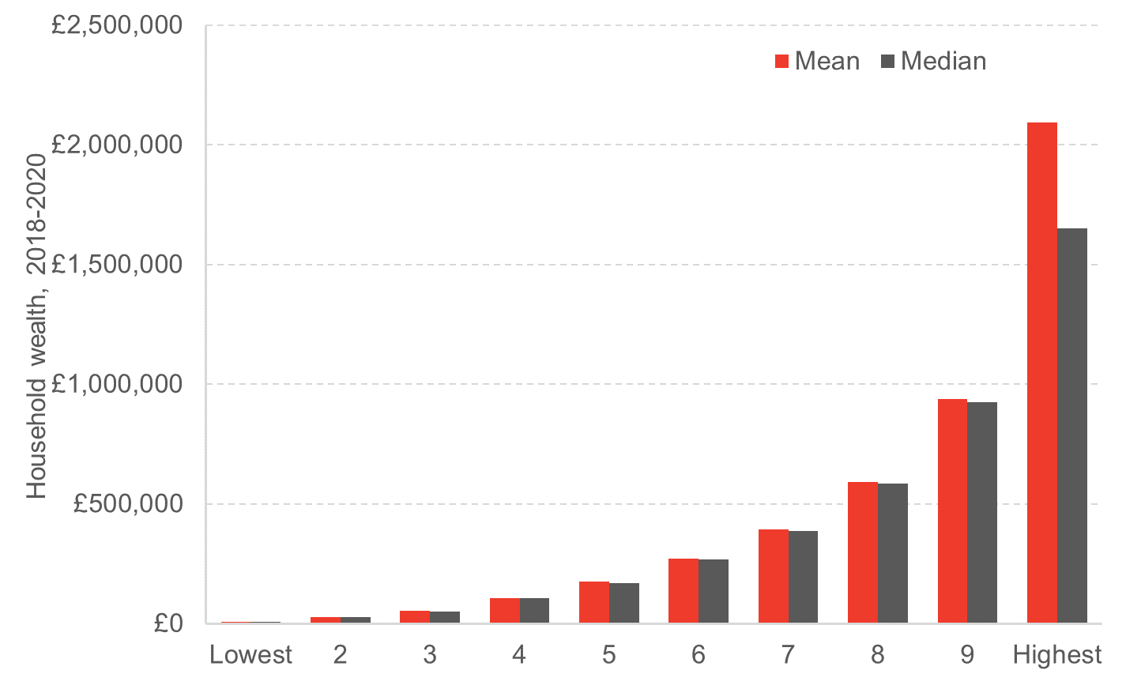

 | Source: FAI analysis of Wealth and Assets Survey. Unweighted N = 1,514

 | Household Wealth
 |  | Mean | Median
 | Lowest | £7,471 | £7,620
 | 2 | £25,931 | £25,600
 | 3 | £52,695 | £50,962
 | 4 | £106,985 | £105,550
 | 5 | £174,197 | £170,392
 | 6 | £270,843 | £269,525
 | 7 | £393,458 | £387,843
 | 8 | £590,212 | £584,828
 | 9 | £939,297 | £923,424
 | Highest | £2,092,945 | £1,651,658

